SFFT1
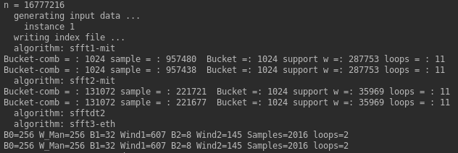
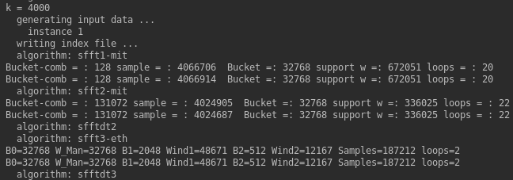
SFFT1: Experiment1( Exactly) N-increase from 8192 to 33554432, K=50, SNR=+∞
Expect Number | Use Number | Sparity | Expect Samples | Use Samples | bucket B | Support W=B *.. | loops | sample proportion Sample/Number | time | error_plus | error_minus | ideal time | l0_error | error_plus | error_minus | ideal I0_error
8192 | 8192 | 50 |  | 8192 | 256 | 4319 | 23 | 1 | 2.68E-03 | 1.04E-04 | 8.32E-05 | 2.60E-03 | 0.00E+00 | 0.00E+00 | 0.00E+00 | 0.00E+00
16384 | 16384 | 50 |  | 16384 | 512 | 11765 | 16 | 1 | 3.63E-03 | 1.39E-04 | 1.14E-04 | 3.51E-03 | 0.00E+00 | 0.00E+00 | 0.00E+00 | 0.00E+00
32768 | 32768 | 50 |  | 32637 | 512 | 16073 | 13 | 0.99600219727 | 3.06E-03 | 1.55E-04 | 7.36E-05 | 2.99E-03 | 0.00E+00 | 0.00E+00 | 0.00E+00 | 0.00E+00
65536 | 65536 | 50 |  | 63592 | 512 | 22023 | 13 | 0.97033691406 | 4.62E-03 | 2.12E-03 | 5.43E-04 | 4.08E-03 | 0.00E+00 | 0.00E+00 | 0.00E+00 | 0.00E+00
131072 | 131072 | 50 |  | 91808 | 512 | 15099 | 15 | 0.70043945312 | 4.45E-03 | 8.86E-04 | 3.86E-04 | 4.07E-03 | 0.00E+00 | 0.00E+00 | 0.00E+00 | 0.00E+00
262144 | 262144 | 50 |  | 119963 | 256 | 20759 | 18 | 0.45762252808 | 8.38E-03 | 4.47E-04 | 3.14E-04 | 8.06E-03 | 0.00E+00 | 0.00E+00 | 0.00E+00 | 0.00E+00
524288 | 524288 | 50 |  | 137036 | 512 | 14285 | 17 | 0.26137542725 | 1.26E-02 | 1.47E-02 | 2.08E-03 | 1.05E-02 | 0.00E+00 | 0.00E+00 | 0.00E+00 | 0.00E+00
1048576 | 1048576 | 50 |  | 245050 | 512 | 39399 | 16 | 0.23369789124 | 2.07E-02 | 1.28E-02 | 2.10E-03 | 1.86E-02 | 0.00E+00 | 0.00E+00 | 0.00E+00 | 0.00E+00
2097152 | 2097152 | 50 |  | 333014 | 256 | 54379 | 18 | 0.1587934494 | 2.98E-02 | 2.17E-03 | 8.33E-04 | 2.90E-02 | 0.00E+00 | 0.00E+00 | 0.00E+00 | 0.00E+00
4194304 | 4194304 | 50 |  | 501640 | 512 | 150265 | 13 | 0.11960029602 | 4.04E-02 | 2.70E-02 | 3.16E-03 | 3.72E-02 | 0.00E+00 | 0.00E+00 | 0.00E+00 | 0.00E+00
8388608 | 8388608 | 50 |  | 587675 | 512 | 103915 | 11 | 0.070056319237 | 4.54E-02 | 3.08E-02 | 4.44E-03 | 4.09E-02 | 0.00E+00 | 0.00E+00 | 0.00E+00 | 0.00E+00
16777216 | 16777216 | 50 |  | 957480 | 1024 | 287753 | 11 | 0.05707025528 | 8.42E-02 | 7.32E-02 | 1.21E-02 | 7.20E-02 | 0.00E+00 | 0.00E+00 | 0.00E+00 | 0.00E+00
33554432 | 33554432 | 50 |  | 1335536 | 1024 | 398727 | 11 | 0.039802074432

SFFT1: Experiment2(Generally) N-increase from 8192 to 33554432, K=50, SNR=20
Expect Number | Use Number | Sparity | Expect Samples | Use Samples | bucket B | Support W=B *.. | loops | sample proportion Sample/Number | time | error_plus | error_minus | ideal time | topk_l1_error_per_entry | error_plus | error_minus | ideal I1_error | relative_l2_l2_error | error_plus | error_minus | ideal I2_error
8192 | 8192 | 50 |  | 8192 | 256 | 4319 | 23 | 1 | 3.07E-03 | 4.75E-04 | 3.58E-04 | 2.71E-03 | 1.39E-02 | 1.32E-03 | 1.32E-03 | 1.26E-02 | 1.05E+00 | -7.59E-03 | -1.19E-02 | 1.040755814
16384 | 16384 | 50 |  | 16384 | 512 | 11765 | 16 | 1 | 3.95E-03 | 3.24E-04 | 1.57E-04 | 3.79E-03 | 7.78E-02 | 3.31E-02 | 3.17E-02 | 4.61E-02 | 2.80E+00 | -5.69E-01 | -1.00E+00 | 2.2326257842
32768 | 32768 | 50 |  | 32637 | 512 | 16073 | 13 | 0.99600219727 | 9.15E-03 | 6.07E-03 | 5.14E-03 | 4.01E-03 | 9.19E-03 | 8.06E-04 | 7.60E-04 | 8.44E-03 | 1.01E+00 | -1.79E-03 | -2.81E-03 | 1.0067394988
65536 | 65536 | 50 |  | 63592 | 512 | 22023 | 13 | 0.97033691406 | 1.60E-02 | 1.27E-02 | 1.15E-02 | 4.48E-03 | 3.01E-02 | 2.07E-02 | 2.10E-02 | 9.10E-03 | 1.69E+00 | -6.78E-01 | -5.46E-01 | 1.0127981024
131072 | 131072 | 50 |  | 91808 | 512 | 15099 | 15 | 0.70043945312 | 1.62E-02 | 1.30E-02 | 1.17E-02 | 4.48E-03 | 9.31E-03 | 7.43E-04 | 9.58E-04 | 8.35E-03 | 1.02E+00 | -2.92E-03 | -3.88E-03 | 1.0172420633
262144 | 262144 | 50 |  | 119963 | 256 | 20759 | 18 | 0.45762252808 | 1.81E-02 | 1.54E-02 | 5.10E-03 | 1.30E-02 | 1.17E-02 | 7.48E-04 | 8.02E-04 | 1.09E-02 | 1.27E+00 | -2.27E-02 | -2.86E-02 | 1.2513842527
524288 | 524288 | 50 |  | 137036 | 512 | 14285 | 17 | 0.26137542725 | 3.00E-02 | 1.86E-02 | 1.39E-02 | 1.60E-02 | 9.33E-03 | 1.26E-03 | 1.55E-03 | 7.79E-03 | 1.05E+00 | -2.88E-03 | -4.30E-03 | 1.0490351768
1048576 | 1048576 | 50 |  | 245050 | 512 | 39399 | 16 | 0.23369789124 | 4.80E-02 | 2.87E-02 | 2.69E-02 | 2.11E-02 | 7.87E-03 | 4.62E-04 | 7.05E-04 | 7.17E-03 | 1.07E+00 | -3.43E-03 | -6.27E-03 | 1.0711165074
2097152 | 2097152 | 50 |  | 333014 | 256 | 54379 | 18 | 0.1587934494 | 6.37E-02 | 4.29E-02 | 2.53E-02 | 3.85E-02 | 1.05E-02 | 7.99E-04 | 1.40E-03 | 9.07E-03 | 1.78E+00 | -4.35E-02 | -6.61E-02 | 1.7319168551
4194304 | 4194304 | 50 |  | 501640 | 512 | 150265 | 13 | 0.11960029602 | 9.53E-02 | 6.44E-02 | 4.27E-02 | 5.26E-02 | 7.81E-03 | 1.17E-03 | 1.13E-03 | 6.68E-03 | 1.29E+00 | -4.26E-02 | -7.85E-02 | 1.249777134
8388608 | 8388608 | 50 |  | 587675 | 512 | 103915 | 11 | 0.070056319237 | 6.79E-02 | 6.28E-02 | 2.14E-02 | 4.65E-02 | 7.17E-03 | 6.27E-04 | 3.61E-04 | 6.81E-03 | 1.55E+00 | -1.83E-02 | -4.46E-02 | 1.5327500391
16777216 | 16777216 | 50 |  | 957480 | 1024 | 287753 | 11 | 0.05707025528 | 1.52E-01 | 6.38E-02 | 4.64E-02 | 1.05E-01 | 4.57E-03 | 6.67E-04 | 8.14E-04 | 3.76E-03 | 1.15E+00 | -9.95E-03 | -5.88E-03 | 1.1427429401
33554432 | 33554432 | 50 |  | 1335536 | 1024 | 398727 | 11 | 0.039802074432

SFFT1: Experiment3(Exactly) K-increase from 50 to 4000, N=4194304, SNR=+∞
Expect Number | Use Number | Sparity | Expect Samples | Use Samples | bucket B | Support W=B *.. | loops | sample proportion Sample/Number | time | error_plus | error_minus | ideal time | l0_error | error_plus | error_minus | ideal I0_error
4194304 | 4194304 | 50 |  | 501572 | 512 | 150265 | 13 | 0.11958408356 | 3.87E-02 | 1.59E-03 | 1.37E-03 | 3.73E-02 | 0.00E+00 | 0.00E+00 | 0.00E+00 | 0.00E+00
4194304 | 4194304 | 100 |  | 427219 | 512 | 106253 | 15 | 0.10185694695 | 7.49E-02 | 3.97E-02 | 1.76E-02 | 5.74E-02 | 0.00E+00 | 0.00E+00 | 0.00E+00 | 0.00E+00
4194304 | 4194304 | 200 |  | 1137638 | 2048 | 300543 | 13 | 0.27123403549 | 1.28E-01 | 8.07E-02 | 3.92E-02 | 8.83E-02 | 0.00E+00 | 0.00E+00 | 0.00E+00 | 0.00E+00
4194304 | 4194304 | 500 |  | 1871013 | 8192 | 237597 | 16 | 0.44608426094 | 2.64E-01 | 2.22E-01 | 1.08E-01 | 1.56E-01 | 0.00E+00 | 0.00E+00 | 0.00E+00 | 0.00E+00
4194304 | 4194304 | 1000 |  | 2502675 | 8192 | 336025 | 17 | 0.59668421745 | 5.06E-01 | 1.82E-01 | 2.11E-01 | 2.95E-01 | 0.00E+00 | 0.00E+00 | 0.00E+00 | 0.00E+00
4194304 | 4194304 | 2000 |  | 3321391 | 16384 | 475205 | 21 | 0.79188132286 | 6.82E-01 | 4.58E-01 | 1.85E-01 | 4.97E-01 | 0.00E+00 | 0.00E+00 | 0.00E+00 | 0.00E+00
4194304 | 4194304 | 4000 |  | 4066914 | 32768 | 672051 | 20 | 0.96962785721 | 1.63E+00 | 2.90E-01 | 4.74E-01 | 1.15E+00 | 0.00E+00 | 0.00E+00 | 0.00E+00 | 0.00E+00

SFFT1: Experiment4(Generally) K-increase from 50 to 4000, N=4194304, SNR=20
Expect Number | Use Number | Sparity | Expect Samples | Use Samples | bucket B | Support W=B *.. | loops | sample proportion Sample/Number | time | error_plus | error_minus | ideal time | topk_l1_error_per_entry | error_plus | error_minus | ideal I1_error | relative_l2_l2_error | error_plus | error_minus | ideal I2_error
4194304 | 4194304 | 50 |  | 501572 | 512 | 150265 | 13 | 0.11958408356 | 6.20E-02 | 3.57E-02 | 1.51E-02 | 4.68E-02 | 7.36E-03 | 2.14E-03 | 8.02E-04 | 6.56E-03 | 1.27E+00 | -2.27E-02 | -1.73E-02 | 1.2449010945
4194304 | 4194304 | 100 |  | 427219 | 512 | 106253 | 15 | 0.10185694695 | 1.45E-01 | 7.06E-02 | 7.95E-02 | 6.59E-02 | 1.00E-02 | 5.85E-04 | 4.04E-04 | 9.62E-03 | 1.85E+00 | -4.38E-02 | -2.52E-02 | 1.8040641756
4194304 | 4194304 | 200 |  | 1137638 | 2048 | 300543 | 13 | 0.27123403549 | 2.26E-01 | 1.04E-01 | 5.77E-02 | 1.68E-01 | 7.82E-03 | 4.53E-04 | 5.84E-04 | 7.24E-03 | 1.25E+00 | -6.91E-03 | -1.13E-02 | 1.2446494815
4194304 | 4194304 | 500 |  | 1871013 | 8192 | 237597 | 16 | 0.44608426094 | 2.05E-01 | 4.30E-02 | 2.54E-02 | 1.79E-01 | 7.32E-03 | 1.87E-04 | 1.84E-04 | 7.14E-03 | 1.05E+00 | -1.94E-03 | -1.36E-03 | 1.0439424063
4194304 | 4194304 | 1000 |  | 2502675 | 8192 | 336025 | 17 | 0.59668421745 | 3.71E-01 | 7.57E-02 | 6.56E-02 | 3.05E-01 | 9.98E-03 | 9.16E-04 | 4.65E-04 | 9.51E-03 | 1.06E+00 | -6.29E-03 | -4.09E-02 | 1.0501068741
4194304 | 4194304 | 2000 |  | 3321391 | 16384 | 475205 | 21 | 0.79188132286 | 5.31E-01 | 2.48E-01 | 1.22E-01 | 4.08E-01 | 9.66E-03 | 1.65E-04 | 1.69E-04 | 9.49E-03 | 1.03E+00 | -1.13E-03 | -7.44E-04 | 1.0257124615
4194304 | 4194304 | 4000 |  | 4066914 | 32768 | 672051 | 20 | 0.96962785721 | 1.18E+00 | 2.47E-01 | 2.39E-01 | 9.37E-01 | 1.33E-02 | 1.28E-03 | 8.88E-04 | 1.24E-02 | 1.16E+00 | -3.35E-02 | -5.13E-02 | 1.126686715
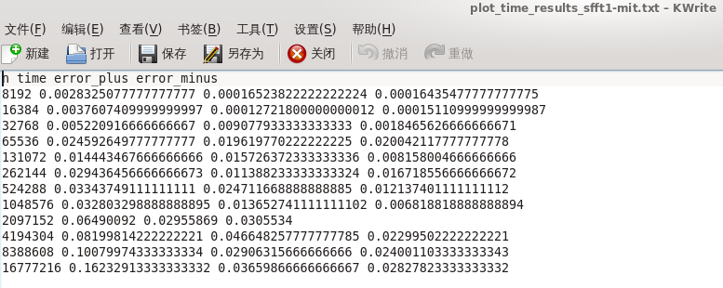
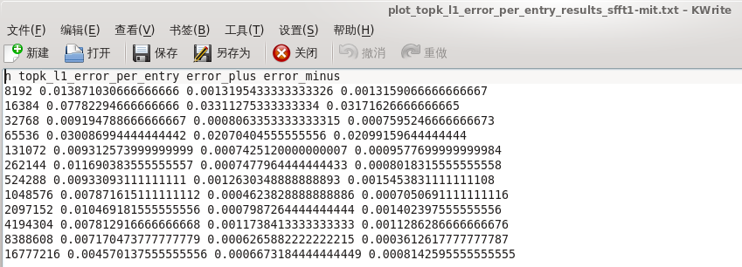

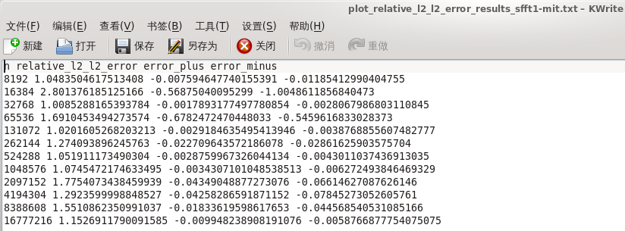

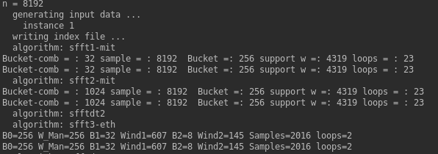
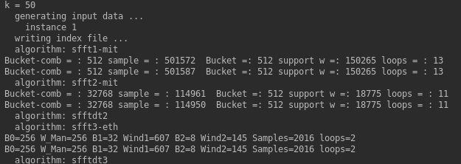

 | ….. |  |  |  |  |  |  | …..

SFFT2
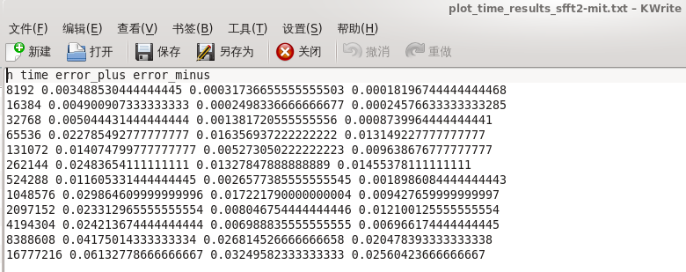
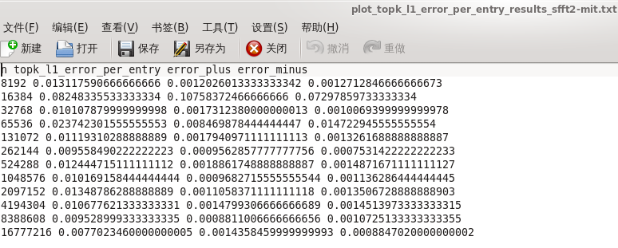
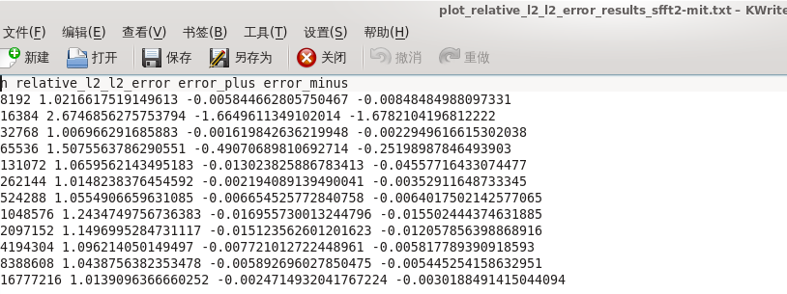
SFFT2 Experiment1( Exactly) N-increase from 8192 to 33554432, K=50, SNR=+∞
Expect Number | Use Number | Sparity | bucket-comb B-comb | Expect Samples | Use Samples | bucket B | Support W=B *.. | loops | sample proportion Sample/Number | time | error_plus | error_minus | ideal time | l0_error | error_plus | error_minus | ideal I0_error
8192 | 8192 | 50 | 1024 |  | 8192 | 256 | 4319 | 23 | 1 | 3.10E-03 | 3.91E-04 | 1.26E-04 | 2.98E-03 | 0.00E+00 | 0.00E+00 | 0.00E+00 | 0.00E+00
16384 | 16384 | 50 | 1024 |  | 16384 | 512 | 11765 | 16 | 1 | 4.30E-03 | 2.19E-04 | 1.29E-04 | 4.17E-03 | 0.00E+00 | 0.00E+00 | 0.00E+00 | 0.00E+00
32768 | 32768 | 50 | 2048 |  | 32649 | 512 | 16073 | 13 | 1 | 3.60E-03 | 1.16E-04 | 6.48E-05 | 3.53E-03 | 0.00E+00 | 0.00E+00 | 0.00E+00 | 0.00E+00
65536 | 65536 | 50 | 2048 |  | 63494 | 512 | 22023 | 13 | 1 | 6.97E-03 | 7.15E-04 | 6.37E-04 | 6.34E-03 | 0.00E+00 | 0.00E+00 | 0.00E+00 | 0.00E+00
131072 | 131072 | 50 | 2048 |  | 80112 | 512 | 7543 | 13 | 0.62683105469 | 3.90E-03 | 1.87E-04 | 1.49E-04 | 3.75E-03 | 1.25E-01 | 1.88E+00 | 1.25E-01 | 0.00E+00
262144 | 262144 | 50 | 4096 |  | 100527 | 512 | 10379 | 19 | 0.39910507202 | 7.03E-03 | 1.83E-03 | 1.10E-03 | 5.94E-03 | 0.00E+00 | 0.00E+00 | 0.00E+00 | 0.00E+00
524288 | 524288 | 50 | 8192 |  | 91680 | 512 | 7141 | 14 | 0.19049072266 | 6.23E-03 | 2.87E-04 | 3.20E-04 | 5.91E-03 | 1.25E-01 | 1.88E+00 | 1.25E-01 | 0.00E+00
1048576 | 1048576 | 50 | 16384 |  | 127010 | 512 | 9843 | 16 | 0.13675117493 | 1.51E-02 | 9.21E-04 | 1.48E-03 | 1.36E-02 | 0.00E+00 | 0.00E+00 | 0.00E+00 | 0.00E+00
2097152 | 2097152 | 50 | 16384 |  | 93150 | 256 | 13591 | 13 | 0.052229881287 | 9.17E-03 | 8.37E-04 | 3.38E-04 | 8.83E-03 | 0.00E+00 | 0.00E+00 | 0.00E+00 | 0.00E+00
4194304 | 4194304 | 50 | 32768 |  | 114987 | 512 | 18775 | 11 | 0.035227537155 | 1.32E-02 | 7.81E-04 | 1.14E-03 | 1.21E-02 | 0.00E+00 | 0.00E+00 | 0.00E+00 | 0.00E+00
8388608 | 8388608 | 50 | 32768 |  | 159682 | 512 | 25979 | 11 | 0.022941827774 | 1.59E-02 | 4.79E-03 | 9.09E-04 | 1.50E-02 | 0.00E+00 | 0.00E+00 | 0.00E+00 | 0.00E+00
16777216 | 16777216 | 50 | 131072 |  | 221721 | 1024 | 35969 | 11 | 0.021028101444 | 3.10E-02 | 4.28E-03 | 1.69E-03 | 2.93E-02 | 0.00E+00 | 0.00E+00 | 0.00E+00 | 0.00E+00
33554432 | 33554432 | 50 | 131072 |  | 307704 | 1024 | 49841 | 11 | 0.013076543808

SFFT2: Experiment2(Generally) N-increase from 8192 to 33554432, K=50, SNR=20
Expect Number | Use Number | Sparity | bucket-comb B-comb | Expect Samples | Use Samples |  |  |  | sample proportion Sample/Number | time | error_plus | error_minus | ideal time | topk_l1_error_per_entry | error_plus | error_minus | ideal I1_error | relative_l2_l2_error | error_plus | error_minus | ideal I2_error
8192 | 8192 | 50 | 1024 |  | 8192 | 256 | 4319 | 23 | 1 | 3.73E-03 | 3.62E-04 | 1.64E-04 | 3.57E-03 | 1.31E-02 | 1.20E-03 | 1.27E-03 | 1.18E-02 | 1.02E+00 | -5.84E-03 | -8.48E-03 | 1.0158170891
16384 | 16384 | 50 | 1024 |  | 16384 | 512 | 11765 | 16 | 1 | 6.22E-03 | 2.42E-03 | 1.57E-03 | 4.64E-03 | 8.25E-02 | 1.08E-01 | 7.30E-02 | 9.50E-03 | 2.67E+00 | -1.66E+00 | -1.68E+00 | 1.0097244927
32768 | 32768 | 50 | 2048 |  | 32649 | 512 | 16073 | 13 | 1 | 4.70E-03 | 5.39E-04 | 3.26E-04 | 4.37E-03 | 1.01E-02 | 1.73E-03 | 1.01E-03 | 9.10E-03 | 1.01E+00 | -1.62E-03 | -2.29E-03 | 1.005346449
65536 | 65536 | 50 | 2048 |  | 63494 | 512 | 22023 | 13 | 1 | 1.79E-02 | 2.03E-02 | 8.12E-03 | 9.76E-03 | 2.37E-02 | 8.47E-03 | 1.47E-02 | 9.02E-03 | 1.51E+00 | -4.91E-01 | -2.52E-01 | 1.0168494805
131072 | 131072 | 50 | 2048 |  | 80112 | 512 | 7543 | 13 | 0.62683105469 | 1.23E-02 | 8.07E-03 | 5.56E-03 | 6.73E-03 | 1.12E-02 | 1.79E-03 | 1.33E-03 | 9.87E-03 | 1.07E+00 | -1.30E-02 | -4.56E-02 | 1.0529323885
262144 | 262144 | 50 | 4096 |  | 100527 | 512 | 10379 | 19 | 0.39910507202 | 2.49E-02 | 8.93E-03 | 1.40E-02 | 1.09E-02 | 9.56E-03 | 9.56E-04 | 7.53E-04 | 8.81E-03 | 1.01E+00 | -2.19E-03 | -3.53E-03 | 1.0126297485
524288 | 524288 | 50 | 8192 |  | 91680 | 512 | 7141 | 14 | 0.19049072266 | 1.22E-02 | 1.11E-02 | 4.40E-03 | 7.77E-03 | 1.24E-02 | 1.89E-03 | 1.49E-03 | 1.10E-02 | 1.06E+00 | -6.65E-03 | -6.40E-03 | 1.0488361402
1048576 | 1048576 | 50 | 16384 |  | 127010 | 512 | 9843 | 16 | 0.13675117493 | 2.70E-02 | 1.83E-02 | 1.03E-02 | 1.67E-02 | 1.02E-02 | 9.68E-04 | 1.14E-03 | 9.03E-03 | 1.24E+00 | -1.70E-02 | -1.55E-02 | 1.2265192457
2097152 | 2097152 | 50 | 16384 |  | 93150 | 256 | 13591 | 13 | 0.052229881287 | 1.20E-02 | 6.10E-03 | 2.71E-03 | 9.31E-03 | 1.35E-02 | 1.11E-03 | 1.35E-03 | 1.21E-02 | 1.15E+00 | -1.51E-02 | -1.21E-02 | 1.1345759659
4194304 | 4194304 | 50 | 32768 |  | 114987 | 512 | 18775 | 11 | 0.035227537155 | 2.43E-02 | 1.33E-02 | 8.08E-03 | 1.62E-02 | 1.07E-02 | 1.48E-03 | 1.45E-03 | 9.23E-03 | 1.10E+00 | -7.72E-03 | -5.82E-03 | 1.0884930374
8388608 | 8388608 | 50 | 32768 |  | 159682 | 512 | 25979 | 11 | 0.022941827774 | 2.56E-02 | 2.26E-02 | 7.98E-03 | 1.76E-02 | 9.53E-03 | 8.81E-04 | 1.07E-03 | 8.46E-03 | 1.04E+00 | -5.89E-03 | -5.45E-03 | 1.0379829422
16777216 | 16777216 | 50 | 131072 |  | 221721 | 1024 | 35969 | 11 | 0.021028101444 | 5.36E-02 | 5.54E-02 | 1.87E-02 | 3.49E-02 | 7.70E-03 | 1.44E-03 | 8.85E-04 | 6.82E-03 | 1.01E+00 | -2.47E-03 | -3.02E-03 | 1.0114381435
33554432 | 33554432 | 50 | 131072 |  | 307704 | 1024 | 49841 | 11 | 0.013076543808

SFFT2: Experiment3(Exactly) K-increase from 50 to 4000, N=4194304, SNR=+∞
Expect Number | Use Number | Sparity | bucket-comb B-comb | Expect Samples | Use Samples |  |  |  | sample proportion Sample/Number | time | error_plus | error_minus | ideal time | l0_error | error_plus | error_minus | ideal I0_error
4194304 | 4194304 | 50 | 32768 |  | 114961 | 512 | 18775 | 11 | 0.035221338272 | 1.39E-02 | 2.34E-03 | 1.89E-03 | 1.20E-02 | 0.00E+00 | 0.00E+00 | 0.00E+00 | 0.00E+00
4194304 | 4194304 | 100 | 32768 |  | 227583 | 512 | 26563 | 16 | 0.062072515488 | 3.32E-02 | 3.39E-02 | 1.07E-02 | 2.25E-02 | 1.67E-01 | 1.83E+00 | 1.67E-01 | 0.00E+00
4194304 | 4194304 | 200 | 65536 |  | 439108 | 2048 | 37563 | 17 | 0.12031650543 | 4.95E-02 | 4.24E-02 | 1.38E-02 | 3.57E-02 | 8.33E-02 | 9.17E-01 | 8.33E-02 | 0.00E+00
4194304 | 4194304 | 500 | 65536 |  | 776925 | 4096 | 59393 | 18 | 0.20085835457 | 1.32E-01 | 7.19E-02 | 6.54E-02 | 6.63E-02 | 0.00E+00 | 0.00E+00 | 0.00E+00 | 0.00E+00
4194304 | 4194304 | 1000 | 65536 |  | 2052822 | 8192 | 168005 | 20 | 0.50505590439 | 3.02E-01 | 1.11E-01 | 9.70E-02 | 2.05E-01 | 3.33E-01 | 1.67E+00 | 3.33E-01 | 0.00E+00
4194304 | 4194304 | 2000 | 131072 |  | 2989892 | 16384 | 475205 | 21 | 0.74409580231 | 6.22E-01 | 4.47E-01 | 1.93E-01 | 4.29E-01 | 1.67E-01 | 1.83E+00 | 1.67E-01 | 0.00E+00
4194304 | 4194304 | 4000 | 131072 |  | 4024687 | 32768 | 336025 | 22 | 0.99081015587 | 1.39E+00 | 4.60E-01 | 4.20E-01 | 9.73E-01 | 6.67E-01 | 7.33E+00 | 6.67E-01 | 0.00E+00

SFFT2: Experiment4(Generally) K-increase from 50 to 4000, N=4194304, SNR=20
Expect Number | Use Number | Sparity | bucket-comb B-comb | Expect Samples | Use Samples |  |  |  | sample proportion Sample/Number | time | error_plus | error_minus | ideal time | topk_l1_error_per_entry | error_plus | error_minus | ideal I1_error | relative_l2_l2_error | error_plus | error_minus | ideal I2_error
4194304 | 4194304 | 50 | 32768 |  | 114961 | 512 | 18775 | 11 | 0.035221338272 | 2.35E-02 | 1.27E-02 | 8.07E-03 | 1.55E-02 | 1.09E-02 | 9.20E-04 | 1.25E-03 | 9.68E-03 | 1.10E+00 | -1.65E-02 | -5.66E-02 | 1.0832692538
4194304 | 4194304 | 100 | 32768 |  | 227583 | 512 | 26563 | 16 | 0.062072515488 | 4.28E-02 | 2.70E-02 | 1.20E-02 | 3.08E-02 | 1.25E-02 | 7.55E-04 | 1.18E-03 | 1.13E-02 | 1.19E+00 | -1.53E-02 | -1.38E-02 | 1.1763043438
4194304 | 4194304 | 200 | 65536 |  | 439108 | 2048 | 37563 | 17 | 0.12031650543 | 6.82E-02 | 2.85E-02 | 2.44E-02 | 4.38E-02 | 1.22E-02 | 1.01E-03 | 7.28E-04 | 1.15E-02 | 1.06E+00 | -4.39E-03 | -7.81E-03 | 1.0539080583
4194304 | 4194304 | 500 | 65536 |  | 776925 | 4096 | 59393 | 18 | 0.20085835457 | 8.35E-02 | 3.78E-02 | 1.69E-02 | 6.66E-02 | 1.40E-02 | 3.64E-04 | 4.95E-04 | 1.35E-02 | 1.13E+00 | -8.88E-03 | -2.44E-02 | 1.1183928913
4194304 | 4194304 | 1000 | 65536 |  | 2052822 | 8192 | 168005 | 20 | 0.50505590439 | 2.63E-01 | 1.02E-01 | 4.54E-02 | 2.17E-01 | 1.32E-02 | 2.35E-03 | 1.58E-03 | 1.16E-02 | 1.19E+00 | -4.61E-02 | -8.42E-02 | 1.1487631849
4194304 | 4194304 | 2000 | 131072 |  | 2989892 | 16384 | 475205 | 21 | 0.74409580231 | 5.95E-01 | 1.47E-01 | 1.14E-01 | 4.81E-01 | 1.16E-02 | 1.24E-04 | 1.82E-04 | 1.14E-02 | 1.07E+00 | -1.67E-03 | -7.71E-04 | 1.0709103261
4194304 | 4194304 | 4000 | 131072 |  | 4024687 | 32768 | 336025 | 22 | 0.99081015587 | 1.12E+00 | 1.48E-01 | 4.97E-02 | 1.07E+00 | 1.44E-02 | 1.06E-03 | 1.36E-03 | 1.30E-02 | 1.17E+00 | -5.49E-02 | -4.08E-02 | 1.1114774917

SFFT3
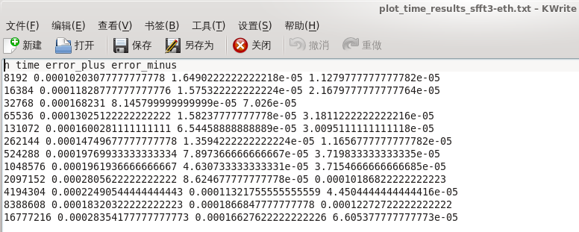
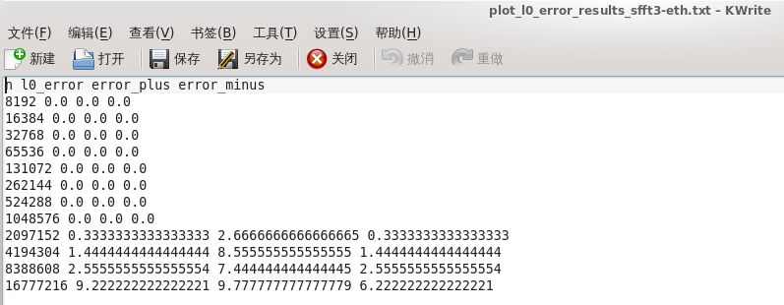
SFFT3: Experiment1( Exactly) N-increase from 8192 to 33554432, K=50, SNR=+∞
Expect Number | Use Number | Sparity | B0 | W_man | B1 | Wind1 | B2 | Win2 | Expect Samples | Use Samples | loops | sample proportion Sample/Number | time | error_plus | error_minus | ideal time | l0_error | error_plus | error_minus | ideal I0_error
8192 | 8192 | 50 | 256 | 256 | 32 | 607 | 8 | 145 |  | 2016 | 2 | 0.24609375 | 1.00E-04 | 9.16E-06 | 1.17E-05 | 8.83E-05 | 0.00E+00 | 0.00E+00 | 0.00E+00 | 0.00E+00
16384 | 16384 | 50 | 256 | 256 | 32 | 607 | 8 | 145 |  | 2016 | 2 | 0.123046875 | 1.03E-04 | 7.27E-06 | 1.04E-05 | 9.25E-05 | 0.00E+00 | 0.00E+00 | 0.00E+00 | 0.00E+00
32768 | 32768 | 50 | 256 | 256 | 32 | 607 | 8 | 145 |  | 2016 | 2 | 0.0615234375 | 1.18E-04 | 2.22E-05 | 1.99E-05 | 9.79E-05 | 1.25E-01 | 1.88E+00 | 1.25E-01 | 0.00E+00
65536 | 65536 | 50 | 256 | 256 | 32 | 607 | 8 | 145 |  | 2016 | 2 | 0.03076171875 | 1.40E-04 | 9.96E-05 | 3.86E-05 | 1.01E-04 | 5.62E-01 | 6.44E+00 | 5.62E-01 | 0.00E+00
131072 | 131072 | 50 | 256 | 256 | 32 | 607 | 8 | 145 |  | 2016 | 2 | 0.015380859375 | 1.43E-04 | 1.49E-05 | 2.08E-05 | 1.22E-04 | 1.25E-01 | 1.88E+00 | 1.25E-01 | 0.00E+00
262144 | 262144 | 50 | 256 | 256 | 32 | 607 | 8 | 145 |  | 2016 | 2 | 0.0076904296875 | 1.60E-04 | 7.24E-05 | 2.21E-05 | 1.38E-04 | 0.00E+00 | 0.00E+00 | 0.00E+00 | 0.00E+00
524288 | 524288 | 50 | 256 | 256 | 32 | 607 | 8 | 145 |  | 2016 | 2 | 0.0038452148438 | 1.60E-04 | 3.32E-05 | 1.80E-05 | 1.42E-04 | 3.12E-01 | 2.69E+00 | 3.12E-01 | 0.00E+00
1048576 | 1048576 | 50 | 256 | 256 | 32 | 607 | 8 | 145 |  | 2016 | 2 | 0.0019226074219 | 1.61E-04 | 3.07E-05 | 1.91E-05 | 1.41E-04 | 0.00E+00 | 0.00E+00 | 0.00E+00 | 0.00E+00
2097152 | 2097152 | 50 | 256 | 256 | 32 | 607 | 8 | 145 |  | 2016 | 2 | 0.00096130371094 | 1.66E-04 | 9.07E-05 | 1.78E-05 | 1.48E-04 | 9.38E-01 | 9.06E+00 | 9.38E-01 | 0.00E+00
4194304 | 4194304 | 50 | 256 | 256 | 32 | 607 | 8 | 145 |  | 2016 | 2 | 0.00048065185547 | 1.76E-04 | 3.81E-05 | 1.70E-05 | 1.59E-04 | 5.00E-01 | 2.50E+00 | 5.00E-01 | 0.00E+00
8388608 | 8388608 | 50 | 256 | 256 | 32 | 607 | 8 | 145 |  | 2016 | 2 | 0.00024032592773 | 2.11E-04 | 2.93E-04 | 5.40E-05 | 1.57E-04 | 5.06E+00 | 1.19E+01 | 5.06E+00 | 0.00E+00
16777216 | 16777216 | 50 | 256 | 256 | 32 | 607 | 8 | 145 |  | 2016 | 2 | 0.00012016296387 | 1.99E-04 | 3.14E-05 | 2.04E-05 | 1.79E-04 | 9.75E+00 | 9.25E+00 | 9.75E+00 | 0.00E+00
33554432 | 33554432 | 50 | 256 | 256 | 32 | 607 | 8 | 145 |  | 2016 | 2 | 6.0081481934E-05

SFFT3: Experiment2(Generally) N-increase from 8192 to 33554432, K=50, SNR=20, impossible
Expect Number | Use Number | Sparity | B0 | W_man | B1 | Wind1 | B2 | Win2 | Expect Samples | Use Samples | loops | sample proportion Sample/Number | time(s) | time-plus | Time-minus | ideal time | topk_l1_error_per_entry | error_plus | error_minus | ideal I1_error | relative_l2_l2_error | error_plus | error_minus | ideal I2_error
8192 | 8192 | 50
16384 | 16384 | 50
32768 | 32768 | 50
65536 | 65536 | 50
131072 | 131072 | 50
262144 | 262144 | 50
524288 | 524288 | 50
1048576 | 1048576 | 50
2097152 | 2097152 | 50
4194304 | 4194304 | 50
8388608 | 8388608 | 50
16777216 | 16777216 | 50
33554432 | 33554432 | 50

SFFT3: Experiment3(Exactly) K-increase from 50 to 4000, N=4194304, SNR=+∞
Expect Number | Use Number | Sparity | B0 | W_man | B1 | Wind1 | B2 | Win2 | Expect Samples | Use Samples | loops | sample proportion Sample/Number | time | error_plus | error_minus | ideal time | l0_error | error_plus | error_minus | ideal I0_error
4194304 | 4194304 | 50 | 256 | 256 | 32 | 607 | 8 | 145 |  | 2016 | 2 | 0.00048065185547 | 2.19E-04 | 1.01E-04 | 5.74E-05 | 1.62E-04 | 1.42E+00 | 5.58E+00 | 1.42E+00 | 0.00E+00
4194304 | 4194304 | 100 | 512 | 512 | 64 | 1215 | 16 | 303 |  | 4060 | 2 | 0.00096797943115 | 3.79E-04 | 1.88E-04 | 8.52E-05 | 2.94E-04 | 1.50E+00 | 8.50E+00 | 1.50E+00 | 0.00E+00
4194304 | 4194304 | 200 | 1024 | 1024 | 128 | 2433 | 32 | 607 |  | 8128 | 2 | 0.0019378662109 | 8.01E-04 | 1.71E-04 | 2.60E-04 | 5.41E-04 | 3.42E+00 | 7.58E+00 | 3.42E+00 | 0.00E+00
4194304 | 4194304 | 500 | 4096 | 4096 | 256 | 6083 | 64 | 1521 |  | 23400 | 2 | 0.005578994751 | 2.12E-03 | 6.80E-04 | 7.11E-04 | 1.41E-03 | 0.00E+00 | 0.00E+00 | 0.00E+00 | 0.00E+00
4194304 | 4194304 | 1000 | 8192 | 8192 | 512 | 12167 | 128 | 3041 |  | 46800 | 2 | 0.011157989502 | 3.54E-03 | 1.99E-03 | 8.06E-04 | 2.73E-03 | 1.67E-01 | 1.83E+00 | 1.67E-01 | 0.00E+00
4194304 | 4194304 | 2000 | 16384 | 16384 | 1024 | 24335 | 256 | 6083 |  | 93604 | 2 | 0.022316932678 | 9.40E-03 | 2.09E-03 | 3.00E-03 | 6.39E-03 | 0.00E+00 | 0.00E+00 | 0.00E+00 | 0.00E+00
4194304 | 4194304 | 4000 | 32768 | 32768 | 2048 | 48671 | 512 | 12167 |  | 187212 | 2 | 0.044634819031 | 1.58E-02 | 5.73E-03 | 3.49E-03 | 1.23E-02 | 0.00E+00 | 0.00E+00 | 0.00E+00 | 0.00E+00

SFFT3: Experiment4(Generally) K-increase from 50 to 4000, N=4194304, SNR=20, impossible
Expect Number | Use Number | Sparity | B0 | W_man | B1 | Wind1 | B2 | Win2 | Expect Samples | Use Samples | loops | sample proportion Sample/Number | time(s) | time-plus | Time-minus | ideal time | topk_l1_error_per_entry | error_plus | error_minus | ideal I1_error | relative_l2_l2_error | error_plus | error_minus | ideal I2_error
4194304 | 4194304 | 50
4194304 | 4194304 | 100
4194304 | 4194304 | 200
4194304 | 4194304 | 500
4194304 | 4194304 | 1000
4194304 | 4194304 | 2000
4194304 | 4194304 | 4000

SFFT4
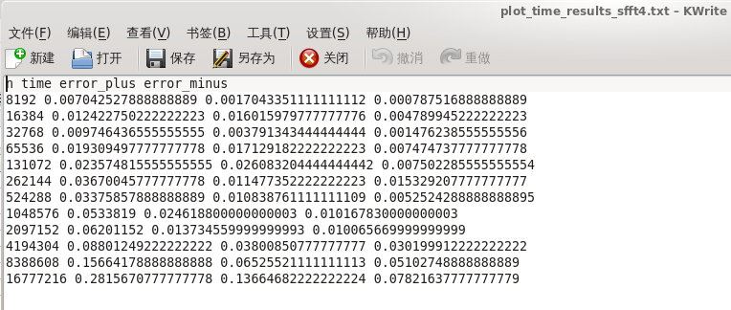
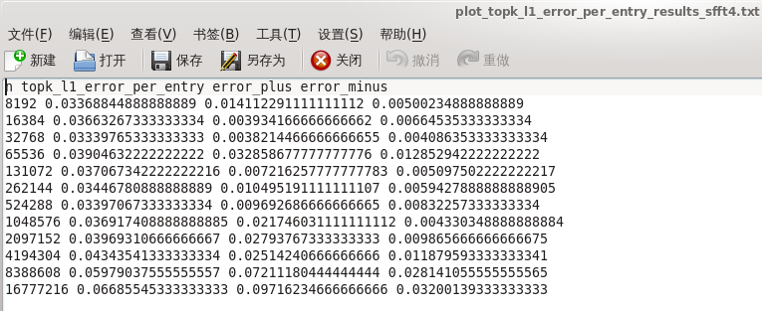
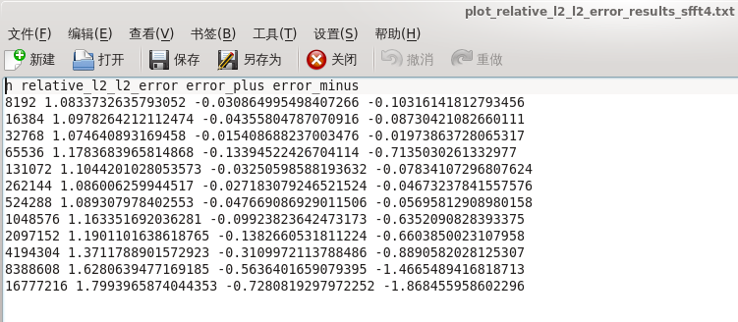
SFFT4: Experiment1( Exactly) N-increase from 8192 to 33554432, K=50, SNR=+∞
Expect Number | Use Number | Sparity | Bucket | number per bucket | loops | Use Samples | sample proportion Sample/Number | time | error_plus | error_minus | ideal time | l0_error | error_plus | error_minus | ideal I0_error
8192 | 8192 | 50 | 256 | 32 | 3 | 8192 | 1 | 6.76E-03 | 4.91E-04 | 6.33E-04 | 6.13E-03 | 0.00E+00 | 0.00E+00 | 0.00E+00 | 0.00E+00
16384 | 16384 | 50 | 256 | 64 | 4 | 16384 | 1 | 7.22E-03 | 7.74E-04 | 5.09E-04 | 6.71E-03 | 0.00E+00 | 0.00E+00 | 0.00E+00 | 0.00E+00
32768 | 32768 | 50 | 256 | 128 | 5 | 21595 | 0.65902709961 | 7.72E-03 | 1.37E-03 | 5.26E-04 | 7.20E-03 | 0.00E+00 | 0.00E+00 | 0.00E+00 | 0.00E+00
65536 | 65536 | 50 | 256 | 256 | 5 | 21595 | 0.3295135498 | 1.06E-02 | 9.07E-04 | 6.58E-04 | 9.95E-03 | 0.00E+00 | 0.00E+00 | 0.00E+00 | 0.00E+00
131072 | 131072 | 50 | 256 | 512 | 6 | 25914 | 0.19770812988 | 1.19E-02 | 6.64E-04 | 5.73E-04 | 1.13E-02 | 0.00E+00 | 0.00E+00 | 0.00E+00 | 0.00E+00
262144 | 262144 | 50 | 256 | 1024 | 7 | 30233 | 0.11532974243 | 1.67E-02 | 1.53E-02 | 3.40E-03 | 1.33E-02 | 0.00E+00 | 0.00E+00 | 0.00E+00 | 0.00E+00
524288 | 524288 | 50 | 256 | 2048 | 7 | 30233 | 0.057664871216 | 2.01E-02 | 1.45E-03 | 1.24E-03 | 1.88E-02 | 0.00E+00 | 0.00E+00 | 0.00E+00 | 0.00E+00
1048576 | 1048576 | 50 | 256 | 4096 | 8 | 34552 | 0.03295135498 | 2.78E-02 | 1.62E-02 | 3.42E-03 | 2.43E-02 | 0.00E+00 | 0.00E+00 | 0.00E+00 | 0.00E+00
2097152 | 2097152 | 50 | 256 | 8192 | 9 | 38871 | 0.018535137177 | 3.37E-02 | 8.66E-03 | 2.52E-03 | 3.12E-02 | 0.00E+00 | 0.00E+00 | 0.00E+00 | 0.00E+00
4194304 | 4194304 | 50 | 256 | 16384 | 9 | 38871 | 0.0092675685883 | 5.06E-02 | 1.02E-02 | 1.02E-02 | 4.04E-02 | 0.00E+00 | 0.00E+00 | 0.00E+00 | 0.00E+00
8388608 | 8388608 | 50 | 256 | 32768 | 10 | 43190 | 0.0051486492157 | 9.09E-02 | 1.08E-01 | 3.51E-02 | 5.58E-02 | 0.00E+00 | 0.00E+00 | 0.00E+00 | 0.00E+00
16777216 | 16777216 | 50 | 256 | 65536 | 11 | 47509 | 0.0028317570686 | 1.53E-01 | 1.59E-01 | 4.43E-02 | 1.09E-01 | 0.00E+00 | 0.00E+00 | 0.00E+00 | 0.00E+00
33554432 | 33554432 | 50 | 256 | 131072 | 11 | 47509 | 0.0014158785343

SFFT4: Experiment2(Generally) N-increase from 8192 to 33554432, K=50, SNR=20
Expect Number | Use Number | Sparity | Bucket | number per bucket | loops | Use Samples | sample proportion Sample/Number | time | error_plus | error_minus | ideal time | topk_l1_error_per_entry | error_plus | error_minus | ideal I1_error | relative_l2_l2_error | error_plus | error_minus | ideal I2_error
8192 | 8192 | 50 | 256 | 32 | 3 | 8192 | 1 | 7.27E-03 | 1.50E-03 | 7.89E-04 | 6.48E-03 | 3.37E-02 | 1.41E-02 | 5.00E-03 | 2.87E-02 | 1.08E+00 | -3.09E-02 | -1.03E-01 | 1.0525082681
16384 | 16384 | 50 | 256 | 64 | 4 | 16384 | 1 | 8.80E-03 | 2.48E-03 | 1.29E-03 | 7.51E-03 | 3.66E-02 | 3.93E-03 | 6.65E-03 | 3.00E-02 | 1.10E+00 | -4.36E-02 | -8.73E-02 | 1.0542683733
32768 | 32768 | 50 | 256 | 128 | 5 | 21595 | 0.65902709961 | 1.03E-02 | 2.47E-03 | 2.28E-03 | 8.02E-03 | 3.34E-02 | 3.82E-03 | 4.09E-03 | 2.93E-02 | 1.07E+00 | -1.54E-02 | -1.97E-02 | 1.0592322049
65536 | 65536 | 50 | 256 | 256 | 5 | 21595 | 0.3295135498 | 2.00E-02 | 1.08E-02 | 9.07E-03 | 1.09E-02 | 3.90E-02 | 3.29E-02 | 1.29E-02 | 2.62E-02 | 1.18E+00 | -1.34E-01 | -7.14E-01 | 1.0444231723
131072 | 131072 | 50 | 256 | 512 | 6 | 25914 | 0.19770812988 | 3.33E-02 | 1.39E-02 | 2.11E-02 | 1.21E-02 | 3.71E-02 | 7.22E-03 | 5.10E-03 | 3.20E-02 | 1.10E+00 | -3.25E-02 | -7.83E-02 | 1.0719141169
262144 | 262144 | 50 | 256 | 1024 | 7 | 30233 | 0.11532974243 | 3.14E-02 | 1.57E-02 | 1.09E-02 | 2.05E-02 | 3.45E-02 | 1.05E-02 | 5.94E-03 | 2.85E-02 | 1.09E+00 | -2.72E-02 | -4.67E-02 | 1.0588231807
524288 | 524288 | 50 | 256 | 2048 | 7 | 30233 | 0.057664871216 | 3.74E-02 | 1.48E-02 | 1.14E-02 | 2.59E-02 | 3.40E-02 | 9.69E-03 | 8.32E-03 | 2.56E-02 | 1.09E+00 | -4.77E-02 | -5.70E-02 | 1.0416388915
1048576 | 1048576 | 50 | 256 | 4096 | 8 | 34552 | 0.03295135498 | 5.94E-02 | 2.10E-02 | 2.98E-02 | 2.96E-02 | 3.69E-02 | 2.17E-02 | 4.33E-03 | 3.26E-02 | 1.16E+00 | -9.92E-02 | -6.35E-01 | 1.0641134556
2097152 | 2097152 | 50 | 256 | 8192 | 9 | 38871 | 0.018535137177 | 5.25E-02 | 1.49E-02 | 1.59E-02 | 3.66E-02 | 3.97E-02 | 2.79E-02 | 9.87E-03 | 2.98E-02 | 1.19E+00 | -1.38E-01 | -6.60E-01 | 1.0518441107
4194304 | 4194304 | 50 | 256 | 16384 | 9 | 38871 | 0.0092675685883 | 9.56E-02 | 9.53E-02 | 4.11E-02 | 5.45E-02 | 4.34E-02 | 2.51E-02 | 1.19E-02 | 3.16E-02 | 1.37E+00 | -3.11E-01 | -8.89E-01 | 1.0601816788
8388608 | 8388608 | 50 | 256 | 32768 | 10 | 43190 | 0.0051486492157 | 1.37E-01 | 5.82E-02 | 2.47E-02 | 1.13E-01 | 5.98E-02 | 7.21E-02 | 2.81E-02 | 3.16E-02 | 1.63E+00 | -5.64E-01 | -1.47E+00 | 1.0644237818
16777216 | 16777216 | 50 | 256 | 65536 | 11 | 47509 | 0.0028317570686 | 2.33E-01 | 1.90E-01 | 7.05E-02 | 1.63E-01 | 6.69E-02 | 9.72E-02 | 3.20E-02 | 3.49E-02 | 1.80E+00 | -7.28E-01 | -1.87E+00 | 1.0713146576
33554432 | 33554432 | 50 | 256 | 131072 | 11 | 47509 | 0.0014158785343

SFFT4: Experiment3(Exactly) K-increase from 50 to 4000, N=4194304, SNR=+∞
Expect Number | Use Number | Sparity | Bucket | number per bucket | loops | Use Samples | sample proportion Sample/Number | time | error_plus | error_minus | ideal time | l0_error | error_plus | error_minus | ideal I0_error
4194304 | 4194304 | 50 | 256 | 16384 | 9 | 38871 | 0.0092675685883 | 5.49E-02 | 9.51E-03 | 8.80E-03 | 4.61E-02 | 0.00E+00 | 0.00E+00 | 0.00E+00 | 0.00E+00
4194304 | 4194304 | 100 | 512 | 8192 | 9 | 77742 | 0.018535137177 | 8.08E-02 | 5.69E-02 | 2.37E-02 | 5.71E-02 | 0.00E+00 | 0.00E+00 | 0.00E+00 | 0.00E+00
4194304 | 4194304 | 200 | 1024 | 4096 | 8 | 138208 | 0.03295135498 | 1.41E-01 | 4.56E-02 | 4.09E-02 | 9.99E-02 | 0.00E+00 | 0.00E+00 | 0.00E+00 | 0.00E+00
4194304 | 4194304 | 500 | 2048 | 2048 | 7 | 241864 | 0.057664871216 | 2.52E-01 | 1.24E-01 | 5.61E-02 | 1.96E-01 | 0.00E+00 | 0.00E+00 | 0.00E+00 | 0.00E+00
4194304 | 4194304 | 1000 | 4096 | 1024 | 7 | 483728 | 0.11532974243 | 4.19E-01 | 2.09E-01 | 8.87E-02 | 3.30E-01 | 0.00E+00 | 0.00E+00 | 0.00E+00 | 0.00E+00
4194304 | 4194304 | 2000 | 8192 | 512 | 6 | 829248 | 0.19770812988 | 1.05E+00 | 2.37E-01 | 1.40E-01 | 9.05E-01 | 0.00E+00 | 0.00E+00 | 0.00E+00 | 0.00E+00
4194304 | 4194304 | 4000 | 16384 | 256 | 5 | 1382080 | 0.3295135498 | 2.03E+00 | 2.11E-01 | 2.15E-01 | 1.81E+00 | 0.00E+00 | 0.00E+00 | 0.00E+00 | 0.00E+00

SFFT4: Experiment4(Generally) K-increase from 50 to 4000, K=4194304, SNR=20
Expect Number | Use Number | Sparity | Bucket | number per bucket | loops | Use Samples | sample proportion Sample/Number | time | error_plus | error_minus | ideal time | topk_l1_error_per_entry | error_plus | error_minus | ideal I1_error | relative_l2_l2_error | error_plus | error_minus | ideal I2_error
4194304 | 4194304 | 50 | 256 | 16384 | 9 | 38871 | 0.0092675685883 | 8.14E-02 | 1.97E-02 | 2.00E-02 | 6.14E-02 | 5.45E-02 | 3.29E-02 | 2.14E-02 | 3.30E-02 | 1.54E+00 | -4.65E-01 | -8.11E-01 | 1.0700308536
4194304 | 4194304 | 100 | 512 | 8192 | 9 | 77742 | 0.018535137177 | 1.14E-01 | 4.85E-02 | 3.09E-02 | 8.32E-02 | 5.83E-02 | 3.06E-02 | 2.41E-02 | 3.42E-02 | 1.77E+00 | -6.87E-01 | -7.27E-01 | 1.0841111403
4194304 | 4194304 | 200 | 1024 | 4096 | 8 | 138208 | 0.03295135498 | 1.78E-01 | 6.37E-02 | 6.04E-02 | 1.17E-01 | 6.20E-02 | 3.90E-02 | 2.59E-02 | 3.61E-02 | 1.90E+00 | -8.14E-01 | -8.25E-01 | 1.0883526781
4194304 | 4194304 | 500 | 2048 | 2048 | 7 | 241864 | 0.057664871216 | 2.09E-01 | 2.21E-02 | 3.50E-02 | 1.74E-01 | 1.37E-01 | 1.79E-02 | 2.26E-02 | 1.14E-01 | 3.21E+00 | -3.34E-01 | -3.18E-01 | 2.8795263515
4194304 | 4194304 | 1000 | 4096 | 1024 | 7 | 483728 | 0.11532974243 | 3.87E-01 | 5.52E-02 | 6.22E-02 | 3.25E-01 | 1.26E-01 | 1.78E-02 | 1.19E-02 | 1.14E-01 | 3.07E+00 | -1.98E-01 | -2.65E-01 | 2.8691234522
4194304 | 4194304 | 2000 | 8192 | 512 | 6 | 829248 | 0.19770812988 | 8.27E-01 | 5.35E-02 | 1.11E-01 | 7.15E-01 | 1.11E-01 | 1.36E-02 | 1.02E-02 | 1.01E-01 | 2.81E+00 | -1.95E-01 | -2.57E-01 | 2.6200223855
4194304 | 4194304 | 4000 | 16384 | 256 | 5 | 1382080 | 0.3295135498 | 1.58E+00 | 1.87E-01 | 1.51E-01 | 1.43E+00 | 1.16E-01 | 9.58E-03 | 1.05E-02 | 1.05E-01 | 2.88E+00 | -1.97E-01 | -1.72E-01 | 2.684331923

MPSFT
MPSFT: Experiment1( Exactly) N-increase from 8192 to 33554432, K=50, SNR=+∞
Expect Number | Use Number | Sparity | Bucket | number per bucket | loops | Use Samples | time(s) | sample proportion Sample/Number | L1 error | L2 error
8192 | 8191 | 50 | 256 | 31.99609375 | 10 | 8192 | 0.061 | 1.0001220852 | 9.97E-06 | 1.13E-05
16384 | 16381 | 50 | 256 | 63.98828125 | 12 | 16384 | 0.068 | 1.000183139 | 7.00E-06 | 8.00E-06
32768 | 32771 | 50 | 256 | 128.01171875 | 14 | 32768 | 0.08 | 0.99990845565 | 4.93E-06 | 5.71E-06
65536 | 65537 | 50 | 256 | 256.00390625 | 16 | 69104 | 0.086 | 1.0544272701 | 3.48E-06 | 4.02E-06
131072 | 131071 | 50 | 256 | 511.99609375 | 18 | 77742 | 0.092 | 0.59312891486 | 2.46E-06 | 2.89E-06
262144 | 262147 | 50 | 256 | 1024.0117188 | 20 | 86380 | 0.098 | 0.32950977886 | 1.74E-06 | 2.01E-06
524288 | 524287 | 50 | 256 | 2047.9960938 | 22 | 95018 | 0.117 | 0.18123279807 | 1.22E-06 | 1.41E-06
1048576 | 1048573 | 50 | 256 | 4095.9882812 | 24 | 103656 | 0.145 | 0.098854347766 | 8.66E-07 | 9.94E-07
2097152 | 2097143 | 50 | 256 | 8191.9648438 | 26 | 112294 | 0.15 | 0.053546181639 | 6.12E-07 | 7.03E-07
4194304 | 4194301 | 50 | 256 | 16383.988281 | 28 | 120932 | 0.161 | 0.02883245623 | 4.33E-07 | 4.96E-07
8388608 | 8388617 | 50 | 256 | 32768.035156 | 30 | 129570 | 0.186 | 0.015445931075 | 3.06E-07 | 3.51E-07
16777216 | 16777213 | 50 | 256 | 65535.988281 | 32 | 138208 | 0.189 | 0.0082378402182 | 2.16E-07 | 2.47E-07
33554432 | 33554467 | 50 | 256 | 131072.13672 | 34 | 146846 | 0.193 | 0.0043763472685 | 1.53E-07 | 1.78E-07

MPSFT: Experiment2(Generally) N-increase from 8192 to 33554432, K=50, SNR=20
Expect Number | Use Number | Sparity | Bucket | number per bucket | loops | Use Samples | time(s) | sample proportion Sample/Number | L1 error | L2 error
8192 | 8191 | 50 | 256 | 31.99609375 | 10 | 8192 | 0.063 | 1.0001220852 | 9.83E-03 | 1.14E-02
16384 | 16381 | 50 | 256 | 63.98828125 | 12 | 16384 | 0.074 | 1.000183139 | 6.93E-03 | 8.11E-03
32768 | 32771 | 50 | 256 | 128.01171875 | 14 | 32768 | 0.078 | 0.99990845565 | 4.93E-03 | 5.73E-03
65536 | 65537 | 50 | 256 | 256.00390625 | 16 | 69104 | 0.086 | 1.0544272701 | 3.47E-03 | 3.93E-03
131072 | 131071 | 50 | 256 | 511.99609375 | 18 | 77742 | 0.093 | 0.59312891486 | 2.47E-03 | 3.13E-03
262144 | 262147 | 50 | 256 | 1024.0117188 | 20 | 86380 | 0.104 | 0.32950977886 | 1.73E-03 | 2.02E-03
524288 | 524287 | 50 | 256 | 2047.9960938 | 22 | 95018 | 0.14 | 0.18123279807 | 1.23E-03 | 1.39E-03
1048576 | 1048573 | 50 | 256 | 4095.9882812 | 24 | 103656 | 0.144 | 0.098854347766 | 8.66E-04 | 9.82E-04
2097152 | 2097143 | 50 | 256 | 8191.9648438 | 26 | 112294 | 0.16 | 0.053546181639 | 6.12E-04 | 6.95E-04
4194304 | 4194301 | 50 | 256 | 16383.988281 | 28 | 120932 | 0.174 | 0.02883245623 | 4.33E-04 | 5.02E-04
8388608 | 8388617 | 50 | 256 | 32768.035156 | 30 | 129570 | 0.18 | 0.015445931075 | 3.06E-04 | 3.47E-04
16777216 | 16777213 | 50 | 256 | 65535.988281 | 32 | 138208 | 0.198 | 0.0082378402182 | 2.16E-04 | 2.46E-04
33554432 | 33554467 | 50 | 256 | 131072.13672 | 34 | 146846 | 0.224 | 0.0043763472685 | 1.53E-04 | 1.78E-04

MPSFT: Experiment3(Exactly) K-increase from 50 to 4000, N=4194304, SNR=+∞
Expect Number | Use Number | Sparity | Bucket | number per bucket | loops | Use Samples | time(s) | sample proportion Sample/Number | L1 error | L2 error
4194304 | 4194301 | 64 | 256 | 16383.988281 | 28 | 120932 | 0.167 | 0.02883245623 | 4.33E-07 | 4.98E-07
4194304 | 4194301 | 128 | 512 | 8191.9941406 | 26 | 224588 | 0.271 | 0.053545990142 | 4.33E-07 | 5.10E-07
4194304 | 4194301 | 256 | 1024 | 4095.9970703 | 24 | 414624 | 0.411 | 0.098854135647 | 4.33E-07 | 5.01E-07
4194304 | 4194301 | 512 | 2048 | 2047.9985352 | 22 | 760144 | 0.746 | 0.18123258202 | 4.34E-07 | 5.20E-07
4194304 | 4194301 | 1024 | 4096 | 1023.9992676 | 20 | 1382080 | 1.311 | 0.32951378549 | 4.34E-07 | 5.23E-07
4194304 | 4194301 | 2048 | 8192 | 511.99963379 | 18 | 2487744 | 2.341 | 0.59312481388 | 6.74E-07 | 5.35E-07
4194304 | 4194301 | 4096 | 16384 | 255.99981689 | 16 | 4422656 | 4.402 | 1.0544441136 | 4.37E-07 | 5.46E-07

MPSFT: Experiment4(Generally) K-increase from 50 to 4000, N=4194304, SNR=20
Expect Number | Use Number | Sparity | Bucket | number per bucket | loops | Use Samples | time(s) | sample proportion Sample/Number | L1 error | L2 error
4194304 | 4194301 | 64 | 256 | 16383.988281 | 28 | 120932 | 0.192 | 0.02883245623 | 4.33E-04 | 4.96E-04
4194304 | 4194301 | 128 | 512 | 8191.9941406 | 26 | 224588 | 0.271 | 0.053545990142 | 4.33E-04 | 4.94E-04
4194304 | 4194301 | 256 | 1024 | 4095.9970703 | 24 | 414624 | 0.446 | 0.098854135647 | 4.34E-04 | 5.42E-04
4194304 | 4194301 | 512 | 2048 | 2047.9985352 | 22 | 760144 | 0.735 | 0.18123258202 | 4.34E-04 | 5.36E-04
4194304 | 4194301 | 1024 | 4096 | 1023.9992676 | 20 | 1382080 | 1.394 | 0.32951378549 | 4.35E-04 | 5.32E-04
4194304 | 4194301 | 2048 | 8192 | 511.99963379 | 18 | 2487744 | 2.508 | 0.59312481388 | 4.36E-04 | 5.92E-04
4194304 | 4194301 | 4096 | 16384 | 255.99981689 | 16 | 4422656 | 4.421 | 1.0544441136 | 4.37E-04 | 5.55E-04
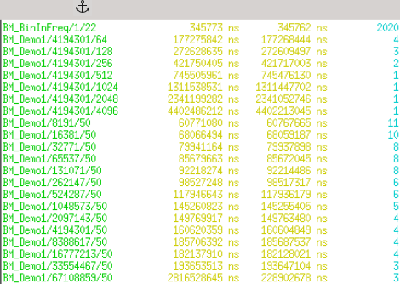
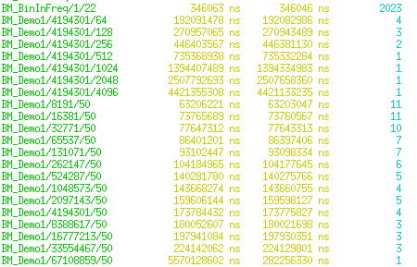

 |  |  |  |  |  |  |  |  |  |  | …….

FFAST
FFAST: Experiment1( Exactly) N-increase from 8192 to 33554432, K=50, SNR=+∞, maximumLikelihood=false
Expect Number | Use Number | Sparity | delay | time(s) | sample proportion Sample/Number | Success Proportion | L1 error
8192 | 8075 | 50 | 8 | 0.000155 | 0.0146 | 0.3
16384 | 16368 | 50 | 8 | 0.000184 | 0.0095 | 0.9
32768 | 32736 | 50 | 8 | 0.000193 | 0.0057 | 1
65536 | 65518 | 50 | 10 | 0.000202 | 0.0037 | 1
131072 | 130872 | 50 | 10 | 0.000227 | 0.0023 | 1
262144 | 262080 | 50 | 10 | 0.000247 | 0.0015 | 1
524288 | 524062 | 50 | 10 | 0.000295 | 0.00092 | 1
1048576 | 1048279 | 50 | 12 | 0.000355 | 0.00058 | 1
2097152 | 2097024 | 50 | 12 | 0.000403 | 0.00036 | 1
4194304 | 4193990 | 50 | 12 | 0.000495 | 0.00023 | 1
8388608 | 8388366 | 50 | 12 | 0.000624 | 0.00015 | 1
16777216 | 16776960 | 50 | 14 | 0.000705 | 0.00009 | 1
33554432 | 33487025 | 50 | 14 | 0.000876 | 0.00006 | 1

R-FFAST: Experiment2(Generally) N-increase from 8192 to 33554432, K=50, SNR=20, maximumLikelihood=true
Expect Number | Use Number | Sparity | delay | time(s) | sample proportion Sample/Number | Success Proportion | L1 error
8192 | 8075 | 50 | 8 | 0.0724 | 0.0575 | 0.2 | 0.000068
16384 | 16368 | 50 | 8 | 0.126 | 0.0381 | 0.9 | 0.0000412
32768 | 32736 | 50 | 8 | 0.158 | 0.0228 | 1 | 0.0000356
65536 | 65518 | 50 | 10 | 0.302 | 0.0182 | 1 | 0.0000271
131072 | 130872 | 50 | 10 | 0.455 | 0.0116 | 1 | 0.0000197
262144 | 262080 | 50 | 10 | 0.613 | 0.0072 | 1 | 0.0000162
524288 | 524062 | 50 | 10 | 0.919 | 0.0046 | 1 | 0.0000134
1048576 | 1048279 | 50 | 12 | 1.712 | 0.0035 | 1 | 0.00000911
2097152 | 2097024 | 50 | 12 | 2.526 | 0.0022 | 1 | 0.00000624
4194304 | 4193990 | 50 | 12 | 4.017 | 0.0014 | 1 | 0.00000567
8388608 | 8388366 | 50 | 12 | 6.33 | 0.00087 | 1 | 0.00000419
16777216 | 16776960 | 50 | 14 | 11.2 | 0.00064 | 1 | 0.0000028
33554432 | 33487025 | 50 | 14 | 17.6 | 0.0004 | 1 | 0.00000229

FFAST: Experiment3(Exactly) K-increase from 50 to 2000, N=4194304, SNR=+∞, maximumLikelihood=false
Expect Number | Use Number | Sparity | delay | time(s) | sample proportion Sample/Number | Success Proportion | L1 error
4194304 | 134217216 | 50 | 2 | 0.00132 | 0.00023 | 1
4194304 | 134217216 | 100 | 2 | 0.00145 | 0.00023 | 1
4194304 | 134217216 | 200 | 2 | 0.00147 | 0.00023 | 1
4194304 | 134217216 | 500 | 2 | 0.00244 | 0.00023 | 1
4194304 | 134217216 | 1000 | 2 | 0.00363 | 0.00023 | 1
4194304 | 134217216 | 2000 |  |  |  | 0
4194304 | 134217216 | 4000 |  |  |  | 0
 |  |  |  |  |  |  |  |  |  |  |  |  | K=2000(exactly)
R-FFAST: Experiment4(Generally) K-increase from 50 to 2000, N=4194304, SNR=20, maximumLikelihood=false
Expect Number | Use Number | Sparity | delay | time(s) | sample proportion Sample/Number | Success Proportion | L1 error
4194304 | 134217216 | 50 | 14 | 44.9 | 0.00016 | 1 | 0.00000136
4194304 | 134217216 | 100 | 14 | 95.05 | 0.00016 | 1 | 0.00000141
4194304 | 134217216 | 200 | 14 | 197.5 | 0.00016 | 1 | 0.00000144
4194304 | 134217216 | 500 | 14 | 601.5 | 0.00016 | 1 | 0.00000145
4194304 | 134217216 | 1000 | 14 | 1747.5 | 0.00016 | 1 | 0.00000152
4194304 | 134217216 | 2000 |  |  |  | 0
4194304 | 134217216 | 4000 |  |  |  | 0
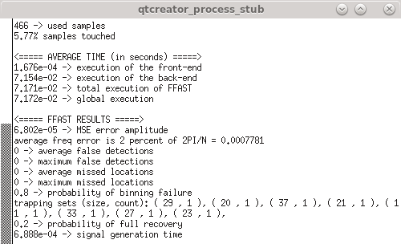
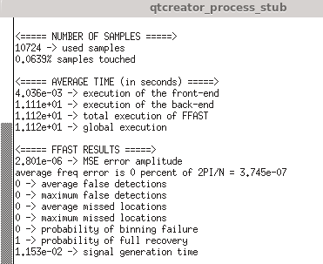

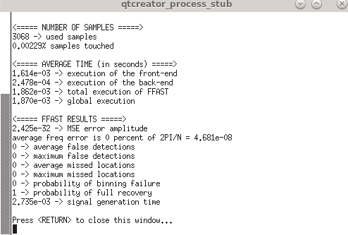
 | N=8075(generally) |  |  |  |  |  |  | N=16777216(generally)
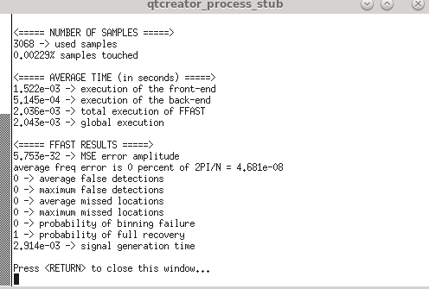
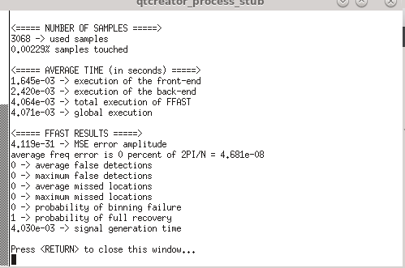
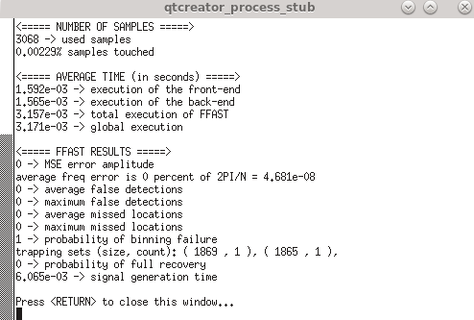

 | K=50(exactly) |  |  |  |  |  | K=200(exactly) |  |  | K=1000(exactly) |  | K=2000(exactly)
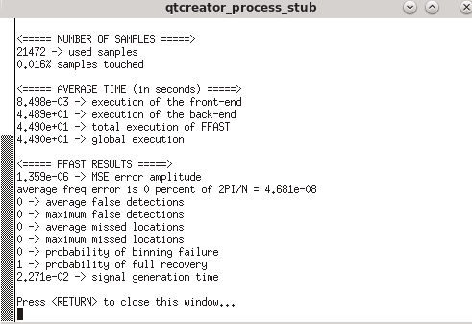
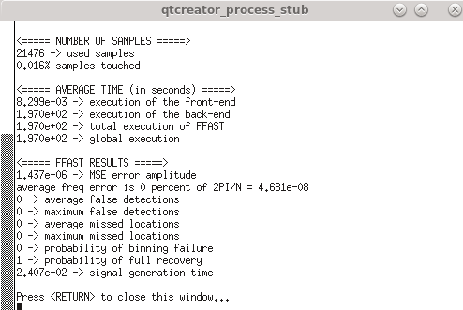
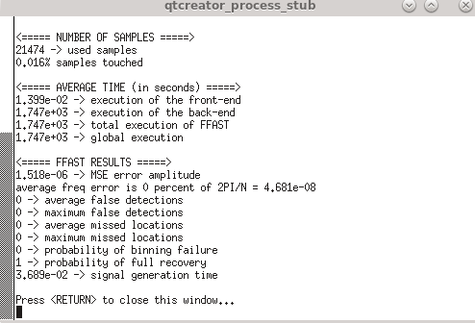
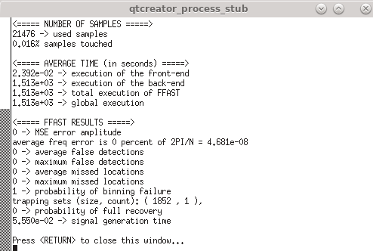

 | K=50(generally) |  |  |  |  | K=200(generally) |  |  | K=1000(generally) |  | K=2000(generally)

SFT-DT
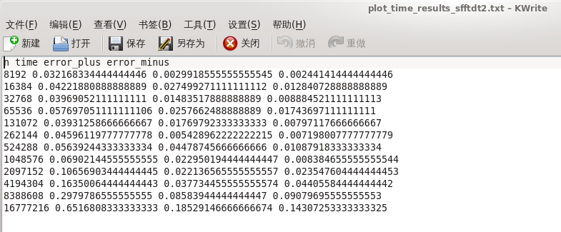
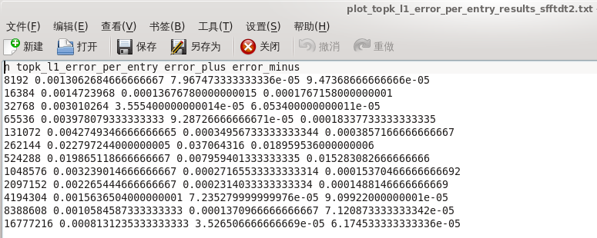
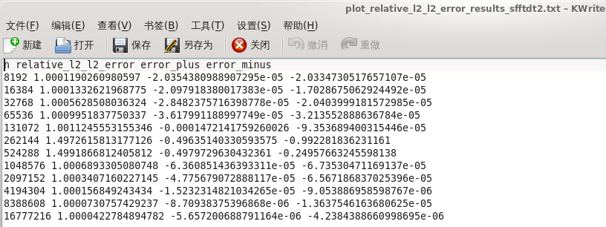
SFFT-DT: Experiment1( Exactly) N-increase from 8192 to 33554432, K=50, SNR=+∞
Expect Number | Use Number | Sparity | number per bucket | bucket =8*Sparity | Sample =8*bucket | sample proportion Sample/Number | time | error_plus | error_minus | ideal time | l0_error | error_plus | error_minus | ideal I0_error
8192 | 8192 | 50 | 16 | 512 | 4096 | 0.5 | 8.95E-04 | 4.97E-05 | 2.18E-05 | 8.74E-04 | 0.00E+00 | 0.00E+00 | 0.00E+00 | 0.00E+00
16384 | 16384 | 50 | 32 | 512 | 4096 | 0.25 | 1.08E-03 | 7.45E-04 | 8.10E-05 | 1.00E-03 | 0.00E+00 | 0.00E+00 | 0.00E+00 | 0.00E+00
32768 | 32768 | 50 | 64 | 512 | 4096 | 0.125 | 1.28E-03 | 2.11E-05 | 1.78E-05 | 1.27E-03 | 0.00E+00 | 0.00E+00 | 0.00E+00 | 0.00E+00
65536 | 65536 | 50 | 128 | 512 | 4096 | 0.0625 | 2.03E-03 | 2.43E-04 | 1.12E-04 | 1.92E-03 | 0.00E+00 | 0.00E+00 | 0.00E+00 | 0.00E+00
131072 | 131072 | 50 | 256 | 512 | 4096 | 0.03125 | 3.47E-03 | 2.55E-04 | 2.11E-04 | 3.26E-03 | 0.00E+00 | 0.00E+00 | 0.00E+00 | 0.00E+00
262144 | 262144 | 50 | 512 | 512 | 4096 | 0.015625 | 7.27E-03 | 6.06E-03 | 8.65E-04 | 6.41E-03 | 0.00E+00 | 0.00E+00 | 0.00E+00 | 0.00E+00
524288 | 524288 | 50 | 512 | 1024 | 8192 | 0.015625 | 1.29E-02 | 6.98E-04 | 3.22E-04 | 1.26E-02 | 0.00E+00 | 0.00E+00 | 0.00E+00 | 0.00E+00
1048576 | 1048576 | 50 | 512 | 2048 | 16384 | 0.015625 | 2.53E-02 | 2.80E-03 | 1.08E-03 | 2.42E-02 | 0.00E+00 | 0.00E+00 | 0.00E+00 | 0.00E+00
2097152 | 2097152 | 50 | 512 | 4096 | 32768 | 0.015625 | 4.94E-02 | 2.15E-02 | 4.25E-03 | 4.52E-02 | 0.00E+00 | 0.00E+00 | 0.00E+00 | 0.00E+00
4194304 | 4194304 | 50 | 512 | 8192 | 65536 | 0.015625 | 9.18E-02 | 2.61E-03 | 1.40E-03 | 9.04E-02 | 0.00E+00 | 0.00E+00 | 0.00E+00 | 0.00E+00
8388608 | 8388608 | 50 | 512 | 16384 | 131072 | 0.015625 | 1.88E-01 | 4.91E-02 | 1.39E-02 | 1.74E-01 | 0.00E+00 | 0.00E+00 | 0.00E+00 | 0.00E+00
16777216 | 16777216 | 50 | 512 | 32768 | 262144 | 0.015625 | 3.52E-01 | 1.20E-02 | 5.80E-03 | 3.46E-01 | 0.00E+00 | 0.00E+00 | 0.00E+00 | 0.00E+00
33554432 | 33554432 | 50 | 512 | 65536 | 524288 | 0.015625

SFFT-DT: Experiment2(Generally) N-increase from 8192 to 33554432, K=50, SNR=20
Expect Number | Use Number | Sparity | number per bucket | bucket =8*Sparity | Sample =8*bucket | sample proportion Sample/Number | time | error_plus | error_minus | ideal time | topk_l1_error_per_entry | error_plus | error_minus | ideal I1_error | relative_l2_l2_error | error_plus | error_minus | ideal I2_error
8192 | 8192 | 50 | 16 | 512 | 4096 | 0.5 | 3.10E-02 | 5.34E-03 | 3.52E-03 | 2.75E-02 | 1.31E-03 | 7.97E-05 | 9.47E-05 | 1.21E-03 | 1.00E+00 | -2.04E-05 | -2.03E-05 | 1.0000986717
16384 | 16384 | 50 | 32 | 512 | 4096 | 0.25 | 2.97E-02 | 1.55E-03 | 1.44E-03 | 2.83E-02 | 1.47E-03 | 1.37E-04 | 1.77E-04 | 1.30E-03 | 1.00E+00 | -2.10E-05 | -1.70E-05 | 1.000112283
32768 | 32768 | 50 | 64 | 512 | 4096 | 0.125 | 3.07E-02 | 1.38E-03 | 6.60E-04 | 3.01E-02 | 3.01E-03 | 3.56E-05 | 6.05E-05 | 2.95E-03 | 1.00E+00 | -2.85E-05 | -2.04E-05 | 1.0005343684
65536 | 65536 | 50 | 128 | 512 | 4096 | 0.0625 | 3.33E-02 | 3.43E-03 | 3.12E-03 | 3.02E-02 | 3.98E-03 | 9.29E-05 | 1.83E-04 | 3.79E-03 | 1.00E+00 | -3.62E-05 | -3.21E-05 | 1.0009590039
131072 | 131072 | 50 | 256 | 512 | 4096 | 0.03125 | 4.26E-02 | 2.82E-02 | 8.86E-03 | 3.37E-02 | 4.27E-03 | 3.50E-04 | 3.86E-04 | 3.89E-03 | 1.00E+00 | -1.47E-04 | -9.35E-05 | 1.0009773411
262144 | 262144 | 50 | 512 | 512 | 4096 | 0.015625 | 3.98E-02 | 5.40E-03 | 2.68E-03 | 3.71E-02 | 2.28E-02 | 3.71E-02 | 1.90E-02 | 3.84E-03 | 1.50E+00 | -4.96E-01 | -9.92E-01 | 1.000910178
524288 | 524288 | 50 | 512 | 1024 | 8192 | 0.015625 | 5.25E-02 | 2.78E-02 | 7.57E-03 | 4.49E-02 | 1.99E-02 | 7.96E-03 | 1.53E-02 | 4.58E-03 | 1.50E+00 | -4.98E-01 | -2.50E-01 | 1.0012137182
1048576 | 1048576 | 50 | 512 | 2048 | 16384 | 0.015625 | 7.30E-02 | 2.19E-02 | 9.07E-03 | 6.39E-02 | 3.24E-03 | 2.72E-04 | 1.54E-04 | 3.09E-03 | 1.00E+00 | -6.36E-05 | -6.74E-05 | 1.000625722
2097152 | 2097152 | 50 | 512 | 4096 | 32768 | 0.015625 | 9.10E-02 | 1.52E-02 | 8.39E-03 | 8.26E-02 | 2.27E-03 | 2.31E-04 | 1.49E-04 | 2.12E-03 | 1.00E+00 | -4.78E-05 | -6.57E-05 | 1.0002929592
4194304 | 4194304 | 50 | 512 | 8192 | 65536 | 0.015625 | 1.45E-01 | 2.99E-02 | 2.25E-02 | 1.22E-01 | 1.56E-03 | 7.24E-05 | 9.10E-05 | 1.47E-03 | 1.00E+00 | -1.52E-05 | -9.05E-06 | 1.0001416169
8388608 | 8388608 | 50 | 512 | 16384 | 131072 | 0.015625 | 2.90E-01 | 1.38E-01 | 6.91E-02 | 2.21E-01 | 1.06E-03 | 1.37E-04 | 7.12E-05 | 9.87E-04 | 1.00E+00 | -8.71E-06 | -1.36E-05 | 1.0000643664
16777216 | 16777216 | 50 | 512 | 32768 | 262144 | 0.015625 | 2.60E-01 | 1.99E-02 | 5.36E-03 | 2.55E-01 | 8.13E-04 | 3.53E-05 | 6.17E-05 | 7.51E-04 | 1.00E+00 | -5.66E-06 | -4.24E-06 | 1.0000366213
33554432 | 33554432 | 50 | 512 | 65536 | 524288 | 0.015625

SFFT-DT: Experiment3(Exactly) K-increase from 50 to 4000, N=4194304, SNR=+∞
Expect Number | Use Number | Sparity | number per bucket | bucket =8*Sparity | Sample =8*bucket | sample proportion Sample/Number | time | error_plus | error_minus | ideal time | l0_error | error_plus | error_minus | ideal I0_error
4194304 | 4194304 | 50 | 512 | 8192 | 65536 | 0.015625 | 1.35E-01 | 7.12E-03 | 9.80E-03 | 1.25E-01 | 0.00E+00 | 0.00E+00 | 0.00E+00 | 0.00E+00
4194304 | 4194304 | 100 | 512 | 8192 | 65536 | 0.015625 | 1.37E-01 | 2.20E-02 | 1.12E-02 | 1.26E-01 | 0.00E+00 | 0.00E+00 | 0.00E+00 | 0.00E+00
4194304 | 4194304 | 200 | 512 | 8192 | 65536 | 0.015625 | 1.39E-01 | 1.43E-02 | 1.24E-02 | 1.26E-01 | 0.00E+00 | 0.00E+00 | 0.00E+00 | 0.00E+00
4194304 | 4194304 | 500 | 512 | 8192 | 65536 | 0.015625 | 1.57E-01 | 3.82E-02 | 1.64E-02 | 1.41E-01 | 0.00E+00 | 0.00E+00 | 0.00E+00 | 0.00E+00
4194304 | 4194304 | 1000 | 512 | 8192 | 65536 | 0.015625 | 1.83E-01 | 1.77E-02 | 3.02E-02 | 1.53E-01 | 0.00E+00 | 0.00E+00 | 0.00E+00 | 0.00E+00
4194304 | 4194304 | 2000 | 256 | 16384 | 131072 | 0.03125 | 2.13E-01 | 3.65E-02 | 3.54E-02 | 1.77E-01 | 0.00E+00 | 0.00E+00 | 0.00E+00 | 0.00E+00
4194304 | 4194304 | 4000 | 128 | 32768 | 262144 | 0.0625 | 1.72E-01 | 9.78E-03 | 4.81E-03 | 1.67E-01 | 0.00E+00 | 0.00E+00 | 0.00E+00 | 0.00E+00

SFFT-DT Experiment4(Generally) K-increase from 50 to 4000, N=4194304, SNR=20
Expect Number | Use Number | Sparity | number per bucket | bucket =8*Sparity | Sample =8*bucket | sample proportion Sample/Number | time | error_plus | error_minus | ideal time | topk_l1_error_per_entry | error_plus | error_minus | ideal I1_error | relative_l2_l2_error | error_plus | error_minus | ideal I2_error
4194304 | 4194304 | 50 | 512 | 8192 | 65536 | 0.015625 | 1.58E-01 | 3.37E-02 | 2.17E-02 | 1.36E-01 | 1.63E-03 | 7.88E-05 | 9.79E-05 | 1.53E-03 | 1.00E+00 | -1.56E-05 | -1.55E-05 | 1.0001495097
4194304 | 4194304 | 100 | 512 | 8192 | 65536 | 0.015625 | 1.73E-01 | 6.51E-02 | 3.95E-02 | 1.33E-01 | 2.12E-03 | 9.06E-05 | 6.03E-05 | 2.06E-03 | 1.00E+00 | -1.62E-05 | -2.67E-05 | 1.0002759983
4194304 | 4194304 | 200 | 512 | 8192 | 65536 | 0.015625 | 1.13E-01 | 2.92E-02 | 1.04E-02 | 1.03E-01 | 1.06E-02 | 4.94E-03 | 7.15E-03 | 3.42E-03 | 1.26E+00 | -2.58E-01 | -1.76E-01 | 1.0007505351
4194304 | 4194304 | 500 | 512 | 8192 | 65536 | 0.015625 | 1.36E-01 | 1.40E-02 | 5.04E-03 | 1.31E-01 | 6.96E-02 | 9.63E-03 | 4.86E-03 | 6.47E-02 | 2.60E+00 | -9.23E-02 | -1.58E-01 | 2.5092314937
4194304 | 4194304 | 1000 | 512 | 8192 | 65536 | 0.015625 | 1.47E-01 | 6.46E-03 | 3.12E-03 | 1.44E-01 | 1.51E-02 | 2.36E-03 | 2.40E-03 | 1.27E-02 | 1.38E+00 | -9.07E-02 | -8.18E-02 | 1.2871080918
4194304 | 4194304 | 2000 | 256 | 16384 | 131072 | 0.03125 | 1.88E-01 | 2.27E-02 | 2.18E-02 | 1.66E-01 | 1.41E-02 | 1.20E-03 | 1.11E-03 | 1.29E-02 | 1.34E+00 | -2.79E-02 | -4.03E-02 | 1.3134145376
4194304 | 4194304 | 4000 | 128 | 32768 | 262144 | 0.0625 | 2.38E-01 | 1.46E-02 | 1.88E-02 | 2.19E-01 | 8.02E-03 | 9.94E-04 | 1.63E-03 | 6.39E-03 | 1.16E+00 | -6.80E-02 | -3.47E-02 | 1.0890171419
 |  |  |  |  |  |  |  |  |  |  |  |  |  |  |  |  |  | 0

SFT-DT-MP
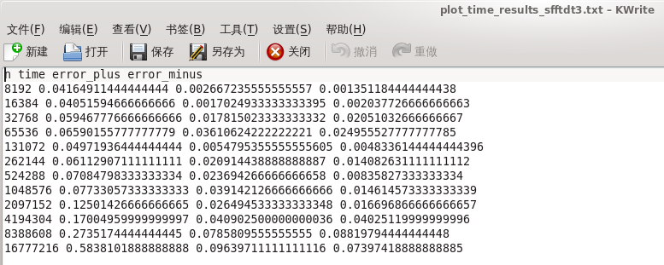
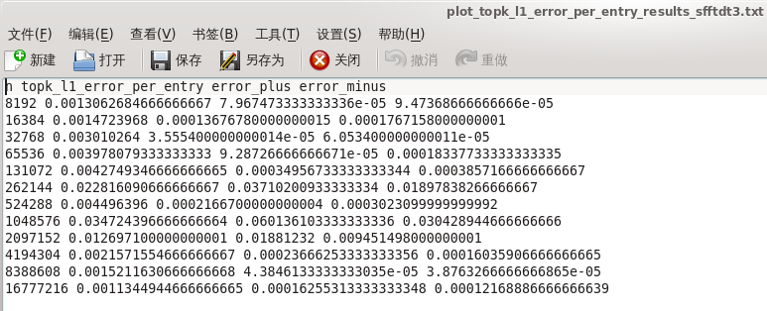
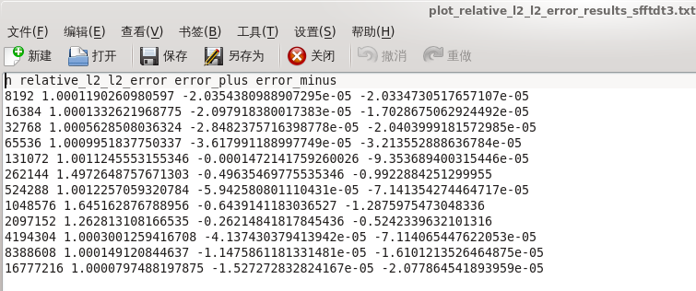
SFFT-DT-MP: Experiment1( Exactly) N-increase from 8192 to 33554432, K=50, SNR=+∞
Expect Number | Use Number | Sparity | number per bucket | bucket =8*Sparity | Sample =8*bucket | sample proportion Sample/Number | time | error_plus | error_minus | ideal time | l0_error | error_plus | error_minus | ideal I0_error
8192 | 8192 | 50 | 16 | 512 | 4096 | 0.5 | 1.14E-03 | 5.15E-04 | 6.01E-05 | 1.08E-03 | 0.00E+00 | 0.00E+00 | 0.00E+00 | 0.00E+00
16384 | 16384 | 50 | 32 | 512 | 4096 | 0.25 | 1.24E-03 | 7.77E-04 | 9.11E-05 | 1.15E-03 | 0.00E+00 | 0.00E+00 | 0.00E+00 | 0.00E+00
32768 | 32768 | 50 | 64 | 512 | 4096 | 0.125 | 1.46E-03 | 1.29E-03 | 1.30E-04 | 1.33E-03 | 0.00E+00 | 0.00E+00 | 0.00E+00 | 0.00E+00
65536 | 65536 | 50 | 128 | 512 | 4096 | 0.0625 | 1.81E-03 | 2.89E-04 | 1.36E-04 | 1.67E-03 | 0.00E+00 | 0.00E+00 | 0.00E+00 | 0.00E+00
131072 | 131072 | 50 | 256 | 512 | 4096 | 0.03125 | 2.78E-03 | 2.52E-04 | 1.80E-04 | 2.60E-03 | 0.00E+00 | 0.00E+00 | 0.00E+00 | 0.00E+00
262144 | 262144 | 50 | 512 | 512 | 4096 | 0.015625 | 5.02E-03 | 3.57E-04 | 3.00E-04 | 4.72E-03 | 0.00E+00 | 0.00E+00 | 0.00E+00 | 0.00E+00
524288 | 524288 | 50 | 512 | 1024 | 8192 | 0.015625 | 1.09E-02 | 1.30E-02 | 1.85E-03 | 9.01E-03 | 0.00E+00 | 0.00E+00 | 0.00E+00 | 0.00E+00
1048576 | 1048576 | 50 | 512 | 2048 | 16384 | 0.015625 | 1.75E-02 | 7.70E-04 | 5.71E-04 | 1.69E-02 | 0.00E+00 | 0.00E+00 | 0.00E+00 | 0.00E+00
2097152 | 2097152 | 50 | 512 | 4096 | 32768 | 0.015625 | 3.01E-02 | 6.48E-04 | 3.08E-04 | 2.98E-02 | 0.00E+00 | 0.00E+00 | 0.00E+00 | 0.00E+00
4194304 | 4194304 | 50 | 512 | 8192 | 65536 | 0.015625 | 6.35E-02 | 3.12E-02 | 6.50E-03 | 5.70E-02 | 0.00E+00 | 0.00E+00 | 0.00E+00 | 0.00E+00
8388608 | 8388608 | 50 | 512 | 16384 | 131072 | 0.015625 | 1.13E-01 | 8.83E-03 | 1.63E-03 | 1.12E-01 | 0.00E+00 | 0.00E+00 | 0.00E+00 | 0.00E+00
16777216 | 16777216 | 50 | 512 | 32768 | 262144 | 0.015625 | 2.47E-01 | 7.15E-02 | 2.27E-02 | 2.24E-01 | 9.25E+00 | 1.08E+01 | 9.25E+00 | 0.00E+00
33554432 | 33554432 | 50 | 512 | 65536 | 524288 | 0.015625

SFFT-DT-MP: Experiment2(Generally) N-increase from 8192 to 33554432, K=50, SNR=20
Expect Number | Use Number | Sparity | number per bucket | bucket =8*Sparity | Sample =8*bucket | sample proportion Sample/Number | time | error_plus | error_minus | ideal time | topk_l1_error_per_entry | error_plus | error_minus | ideal I1_error | relative_l2_l2_error | error_plus | error_minus | ideal I2_error
8192 | 8192 | 50 | 16 | 512 | 4096 | 0.5 | 3.87E-02 | 1.53E-03 | 7.29E-04 | 3.79E-02 | 1.31E-03 | 7.97E-05 | 9.47E-05 | 1.21E-03 | 1.00E+00 | -2.04E-05 | -2.03E-05 | 1.0000986717
16384 | 16384 | 50 | 32 | 512 | 4096 | 0.25 | 4.13E-02 | 1.06E-02 | 4.00E-03 | 3.73E-02 | 1.47E-03 | 1.37E-04 | 1.77E-04 | 1.30E-03 | 1.00E+00 | -2.10E-05 | -1.70E-05 | 1.000112283
32768 | 32768 | 50 | 64 | 512 | 4096 | 0.125 | 4.36E-02 | 2.73E-02 | 5.78E-03 | 3.79E-02 | 3.01E-03 | 3.56E-05 | 6.05E-05 | 2.95E-03 | 1.00E+00 | -2.85E-05 | -2.04E-05 | 1.0005343684
65536 | 65536 | 50 | 128 | 512 | 4096 | 0.0625 | 4.16E-02 | 2.16E-03 | 2.15E-03 | 3.95E-02 | 3.98E-03 | 9.29E-05 | 1.83E-04 | 3.79E-03 | 1.00E+00 | -3.62E-05 | -3.21E-05 | 1.0009590039
131072 | 131072 | 50 | 256 | 512 | 4096 | 0.03125 | 4.62E-02 | 3.00E-03 | 3.12E-03 | 4.30E-02 | 4.27E-03 | 3.50E-04 | 3.86E-04 | 3.89E-03 | 1.00E+00 | -1.47E-04 | -9.35E-05 | 1.0009773411
262144 | 262144 | 50 | 512 | 512 | 4096 | 0.015625 | 4.95E-02 | 1.40E-02 | 3.80E-03 | 4.57E-02 | 2.28E-02 | 3.71E-02 | 1.90E-02 | 3.84E-03 | 1.50E+00 | -4.96E-01 | -9.92E-01 | 1.000910178
524288 | 524288 | 50 | 512 | 1024 | 8192 | 0.015625 | 6.69E-02 | 5.80E-02 | 1.84E-02 | 4.85E-02 | 4.50E-03 | 2.17E-04 | 3.02E-04 | 4.19E-03 | 1.00E+00 | -5.94E-05 | -7.14E-05 | 1.0011662801
1048576 | 1048576 | 50 | 512 | 2048 | 16384 | 0.015625 | 8.92E-02 | 5.81E-02 | 2.76E-02 | 6.16E-02 | 3.47E-02 | 6.01E-02 | 3.04E-02 | 4.30E-03 | 1.65E+00 | -6.44E-01 | -1.29E+00 | 1.0012487585
2097152 | 2097152 | 50 | 512 | 4096 | 32768 | 0.015625 | 1.26E-01 | 6.15E-02 | 5.26E-02 | 7.34E-02 | 1.27E-02 | 1.88E-02 | 9.45E-03 | 3.25E-03 | 1.26E+00 | -2.62E-01 | -5.24E-01 | 1.00066469
4194304 | 4194304 | 50 | 512 | 8192 | 65536 | 0.015625 | 1.47E-01 | 5.72E-02 | 3.60E-02 | 1.11E-01 | 2.16E-03 | 2.37E-04 | 1.60E-04 | 2.00E-03 | 1.00E+00 | -4.14E-05 | -7.11E-05 | 1.0002587516
8388608 | 8388608 | 50 | 512 | 16384 | 131072 | 0.015625 | 2.40E-01 | 6.09E-02 | 4.04E-02 | 1.99E-01 | 1.52E-03 | 4.38E-05 | 3.88E-05 | 1.48E-03 | 1.00E+00 | -1.15E-05 | -1.61E-05 | 1.000137645
16777216 | 16777216 | 50 | 512 | 32768 | 262144 | 0.015625 | 2.78E-01 | 5.86E-02 | 3.20E-02 | 2.46E-01 | 1.13E-03 | 1.63E-04 | 1.22E-04 | 1.01E-03 | 1.00E+00 | -1.53E-05 | -2.08E-05 | 1.0000644761
33554432 | 33554432 | 50 | 512 | 65536 | 524288 | 0.015625

SFFT-DT-MP: Experiment3(Exactly) K-increase from 50 to 4000, N=4194304, SNR=+∞
Expect Number | Use Number | Sparity | number per bucket | bucket =8*Sparity | Sample =8*bucket | sample proportion Sample/Number | time | error_plus | error_minus | ideal time | l0_error | error_plus | error_minus | ideal I0_error
4194304 | 4194304 | 50 | 512 | 8192 | 65536 | 0.015625 | 1.11E-01 | 1.56E-02 | 1.31E-02 | 9.78E-02 | 0.00E+00 | 0.00E+00 | 0.00E+00 | 0.00E+00
4194304 | 4194304 | 100 | 512 | 8192 | 65536 | 0.015625 | 1.15E-01 | 7.37E-03 | 7.09E-03 | 1.08E-01 | 0.00E+00 | 0.00E+00 | 0.00E+00 | 0.00E+00
4194304 | 4194304 | 200 | 512 | 8192 | 65536 | 0.015625 | 1.17E-01 | 3.34E-02 | 1.53E-02 | 1.02E-01 | 0.00E+00 | 0.00E+00 | 0.00E+00 | 0.00E+00
4194304 | 4194304 | 500 | 512 | 8192 | 65536 | 0.015625 | 1.29E-01 | 4.77E-02 | 3.68E-02 | 9.27E-02 | 0.00E+00 | 0.00E+00 | 0.00E+00 | 0.00E+00
4194304 | 4194304 | 1000 | 512 | 8192 | 65536 | 0.015625 | 1.56E-01 | 1.81E-02 | 2.96E-02 | 1.27E-01 | 0.00E+00 | 0.00E+00 | 0.00E+00 | 0.00E+00
4194304 | 4194304 | 2000 | 256 | 16384 | 131072 | 0.03125 | 1.96E-01 | 2.55E-02 | 2.29E-02 | 1.73E-01 | 0.00E+00 | 0.00E+00 | 0.00E+00 | 0.00E+00
4194304 | 4194304 | 4000 | 128 | 32768 | 262144 | 0.0625 | 1.58E-01 | 1.18E-02 | 4.60E-03 | 1.54E-01 | 0.00E+00 | 0.00E+00 | 0.00E+00 | 0.00E+00

SFFT-DT-MP Experiment4(Generally) K-increase from 50 to 4000, N=4194304, SNR=20
Expect Number | Use Number | Sparity | number per bucket | bucket =8*Sparity | Sample =8*bucket | sample proportion Sample/Number | time | error_plus | error_minus | ideal time | topk_l1_error_per_entry | error_plus | error_minus | ideal I1_error | relative_l2_l2_error | error_plus | error_minus | ideal I2_error
4194304 | 4194304 | 50 | 512 | 8192 | 65536 | 0.015625 | 1.52E-01 | 5.81E-02 | 3.62E-02 | 1.16E-01 | 2.40E-03 | 9.69E-05 | 1.62E-04 | 2.24E-03 | 1.00E+00 | -4.51E-05 | -4.35E-05 | 1.0003093451
4194304 | 4194304 | 100 | 512 | 8192 | 65536 | 0.015625 | 1.47E-01 | 2.02E-02 | 2.33E-02 | 1.24E-01 | 2.47E-02 | 1.41E-02 | 2.15E-02 | 3.24E-03 | 1.64E+00 | -6.44E-01 | -4.10E-01 | 1.0006759047
4194304 | 4194304 | 200 | 512 | 8192 | 65536 | 0.015625 | 1.11E-01 | 1.27E-02 | 1.61E-02 | 9.48E-02 | 2.67E-02 | 5.81E-03 | 4.62E-03 | 2.21E-02 | 1.72E+00 | -1.29E-01 | -1.45E-01 | 1.5920972399
4194304 | 4194304 | 500 | 512 | 8192 | 65536 | 0.015625 | 1.14E-01 | 1.14E-02 | 7.06E-03 | 1.07E-01 | 3.29E-02 | 1.17E-02 | 8.87E-03 | 2.41E-02 | 1.86E+00 | -2.00E-01 | -2.67E-01 | 1.6627443615
4194304 | 4194304 | 1000 | 512 | 8192 | 65536 | 0.015625 | 1.32E-01 | 3.06E-02 | 1.13E-02 | 1.20E-01 | 1.51E-02 | 2.37E-03 | 2.40E-03 | 1.27E-02 | 1.38E+00 | -9.07E-02 | -8.18E-02 | 1.2871080918
4194304 | 4194304 | 2000 | 256 | 16384 | 131072 | 0.03125 | 1.60E-01 | 7.04E-03 | 6.74E-03 | 1.54E-01 | 1.44E-02 | 1.73E-03 | 1.33E-03 | 1.30E-02 | 1.36E+00 | -4.76E-02 | -8.11E-02 | 1.315000038
4194304 | 4194304 | 4000 | 128 | 32768 | 262144 | 0.0625 | 2.39E-01 | 2.90E-02 | 1.13E-02 | 2.27E-01 | 8.02E-03 | 9.84E-04 | 1.63E-03 | 6.39E-03 | 1.16E+00 | -6.81E-02 | -3.49E-02 | 1.088972378

DSFFT
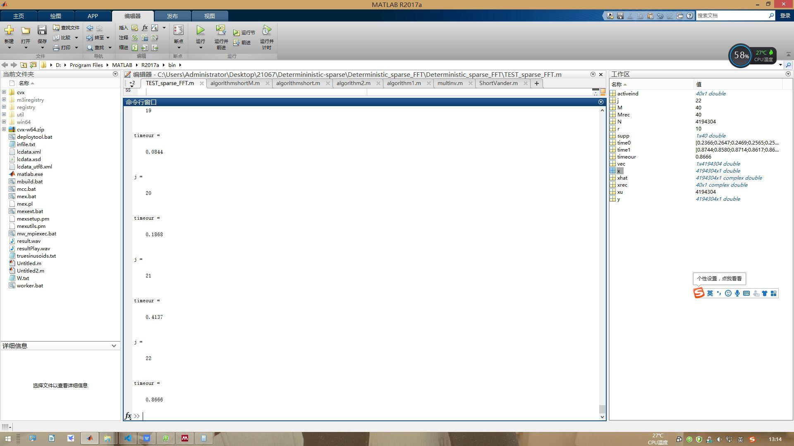
DSFFT: Experiment2(Generally) N-increase from 8192 to 33554432, K=50, SNR=20
Expect Number | Use Number | Sparity | Expect Samples | time
8192 | 8192 | 50 |  | 1.30E-03
16384 | 16384 | 50 |  | 1.90E-03
32768 | 32768 | 50 |  | 3.30E-03
65536 | 65536 | 50 |  | 7.80E-03
131072 | 131072 | 50 |  | 1.60E-02
262144 | 262144 | 50 |  | 3.50E-02
524288 | 524288 | 50 |  | 8.40E-02
1048576 | 1048576 | 50 |  | 1.86E-01
2097152 | 2097152 | 50 |  | 4.13E-01
4194304 | 4194304 | 50 |  | 8.66E-01
8388608 | 8388608 | 50 |  | 1.88E+00
16777216 | 16777216 | 50 |  | 3.98E+00

AAFFT
AAFFT: Experiment1( Exactly) N-increase from 8192 to 33554432, K=50, SNR=+∞
Expect Number | Use Number | Sparity | n | time | error_plus | error_minus | ideal time | n | l0_error | error_plus | error_minus | ideal I0_error |  |  |  |  |  | Use Samples | sample proportion Sample/Number
8192 | 8192 | 50 | 8192 | 0.33082246 | 0.88879854 | 0.26653169 | 0.06429077 | 8192 | 0 | 0 | 0 | 0 |  |  |  |  |  | 8167 | 0.99694824219
16384 | 16384 | 50 | 16384 | 0.31321160438 | 0.91551539562 | 0.24601240437 | 0.0671992 | 16384 | 0 | 0 | 0 | 0 |  |  |  |  |  | 15523 | 0.94744873047
32768 | 32768 | 50 | 32768 | 0.232109575 | 0.974070425 | 0.160943165 | 0.07116641 | 32768 | 0 | 0 | 0 | 0 |  |  |  |  |  | 25933 | 0.79141235352
65536 | 65536 | 50 | 65536 | 0.20504784187 | 1.0488811581 | 0.12923089188 | 0.07581695 | 65536 | 0 | 0 | 0 | 0 |  |  |  |  |  | 36012 | 0.54949951172
131072 | 131072 | 50 | 131072 | 0.3154449875 | 0.9188220125 | 0.2394610175 | 0.07598397 | 131072 | 0 | 0 | 0 | 0 |  |  |  |  |  | 44648 | 0.34063720703
262144 | 262144 | 50 | 262144 | 0.33705330125 | 0.89649369875 | 0.25526596125 | 0.08178734 | 262144 | 0 | 0 | 0 | 0 |  |  |  |  |  | 50614 | 0.1930770874
524288 | 524288 | 50 | 524288 | 0.29137482125 | 0.94047117875 | 0.20868382125 | 0.082691 | 524288 | 0 | 0 | 0 | 0 |  |  |  |  |  | 51312 | 0.097869873047
1048576 | 1048576 | 50 | 1048576 | 0.29257140125 | 0.93484659875 | 0.20649371125 | 0.08607769 | 1048576 | 0 | 0 | 0 | 0 |  |  |  |  |  | 57871 | 0.055190086365
2097152 | 2097152 | 50 | 2097152 | 0.37537602313 | 1.2806149769 | 0.28339252313 | 0.0919835 | 2097152 | 0 | 0 | 0 | 0 |  |  |  |  |  | 60610 | 0.028901100159
4194304 | 4194304 | 50 | 4194304 | 0.26939544375 | 0.97388155625 | 0.17520743375 | 0.09418801 | 4194304 | 0 | 0 | 0 | 0 |  |  |  |  |  | 62908 | 0.014998435974
8388608 | 8388608 | 50 | 8388608 | 0.37334361875 | 0.95416938125 | 0.27294081875 | 0.1004028 | 8388608 | 0 | 0 | 0 | 0 |  |  |  |  |  | 65057 | 0.0077553987503
16777216 | 16777216 | 50 | 16777216 | 0.1791978925 | 0.1973185075 | 0.0809812125 | 0.09821668 | 16777216 | 0 | 0 | 0 | 0 |  |  |  |  |  | 67085 | 0.0039985775948
33554432 | 33554432 | 50

AAFFT: Experiment2(Generally) N-increase from 8192 to 33554432, K=50, SNR=20
Expect Number | Use Number | Sparity | n | time | error_plus | error_minus | ideal time | n | topk_l1_error_per_entry | error_plus | error_minus | ideal I0_error | n | relative_l2_l2_error | error_plus | error_minus | ideal I2_error | Use Samples | sample proportion Sample/Number
8192 | 8192 | 50 | 8192 | 0.46457479667 | 0.85973520333 | 0.38494673667 | 0.07962806 | 8192 | 0.035845504444 | 0.0036203955556 | 0.0063228444444 | 0.02952266 | 8192 | 1.0780253498 | -0.019950587707 | -0.016788431408 | 1.0580747621 | 8167 | 0.99694824219
16384 | 16384 | 50 | 16384 | 0.39451037222 | 0.93324162778 | 0.31966362222 | 0.07484675 | 16384 | 0.036431462222 | 0.0038193577778 | 0.0030878222222 | 0.03334364 | 16384 | 1.0811706193 | -0.012847182605 | -0.015869615335 | 1.0683234367 | 15523 | 0.94744873047
32768 | 32768 | 50 | 32768 | 0.45818864222 | 0.89150535778 | 0.37678999222 | 0.08139865 | 32768 | 0.036828002222 | 0.0053952177778 | 0.0054446622222 | 0.03138334 | 32768 | 1.0835261201 | -0.020068876524 | -0.019192404965 | 1.0634572436 | 25933 | 0.79141235352
65536 | 65536 | 50 | 65536 | 0.42260165333 | 0.86516234667 | 0.34068182333 | 0.08191983 | 65536 | 0.036000562222 | 0.0040351377778 | 0.0034336822222 | 0.03256688 | 65536 | 1.078013051 | -0.016071090547 | -0.016185489846 | 1.0619419605 | 36012 | 0.54949951172
131072 | 131072 | 50 | 131072 | 0.14037428333 | 0.22515381667 | 0.049104493333 | 0.09126979 | 131072 | 0.037913546667 | 0.0060927933333 | 0.0044794066667 | 0.03343414 | 131072 | 1.0863591928 | -0.01647682298 | -0.026310578848 | 1.0698823698 | 44648 | 0.34063720703
262144 | 262144 | 50 | 262144 | 0.33227980889 | 0.94397419111 | 0.24149680889 | 0.090783 | 262144 | 0.036948548889 | 0.0043943311111 | 0.0025279888889 | 0.03442056 | 262144 | 1.0843932508 | -0.0065811275322 | -0.013670648791 | 1.0778121233 | 50614 | 0.1930770874
524288 | 524288 | 50 | 524288 | 0.48523473111 | 1.6438072689 | 0.39130645111 | 0.09392828 | 524288 | 0.03657242 | 0.00588378 | 0.00783154 | 0.02874088 | 524288 | 1.0812744345 | -0.03093020599 | -0.032318728551 | 1.0503442285 | 51312 | 0.097869873047
1048576 | 1048576 | 50 | 1048576 | 0.44420821333 | 0.90754878667 | 0.34668934333 | 0.09751887 | 1048576 | 0.0378869 | 0.00483348 | 0.00453086 | 0.03335604 | 1048576 | 1.0869147301 | -0.017314430297 | -0.022923527068 | 1.0696002998 | 57871 | 0.055190086365
2097152 | 2097152 | 50 | 2097152 | 0.4178027 | 1.3762603 | 0.3118113 | 0.1059914 | 2097152 | 0.038223826667 | 0.0046397333333 | 0.0059530666667 | 0.03227076 | 2097152 | 1.0918983656 | -0.027707480175 | -0.018165800125 | 1.0641908854 | 60610 | 0.028901100159
4194304 | 4194304 | 50 | 4194304 | 0.27649253333 | 1.1270854667 | 0.16639703333 | 0.1100955 | 4194304 | 0.036748417778 | 0.0032177422222 | 0.0044472577778 | 0.03230116 | 4194304 | 1.0836602474 | -0.017947511777 | -0.021100719845 | 1.0657127356 | 62908 | 0.014998435974
8388608 | 8388608 | 50 | 8388608 | 0.22737921111 | 0.34531258889 | 0.10531621111 | 0.122063 | 8388608 | 0.037857597778 | 0.0063588822222 | 0.0032618577778 | 0.03459574 | 8388608 | 1.0897644054 | -0.01473179843 | -0.023455707492 | 1.0750326069 | 65057 | 0.0077553987503
16777216 | 16777216 | 50 | 16777216 | 0.53256984444 | 0.71558115556 | 0.42705154444 | 0.1055183 | 16777216 | 0.037444291111 | 0.0056240488889 | 0.0056562111111 | 0.03178808 | 16777216 | 1.0844298797 | -0.019451836167 | -0.021421267144 | 1.0649780435 | 67085 | 0.0039985775948
33554432 | 33554432 | 50

AAFFT: Experiment3(Exactly) K-increase from 50 to 4000, N=4194304, SNR=+∞
Expect Number | Use Number | Sparity | k | time | error_plus | error_minus | ideal time | k | l0_error | error_plus | error_minus | ideal I0_error |  |  |  |  |  | Use Samples | sample proportion Sample/Number
4194304 | 4194304 | 50 | 50 | 0.2856912925 | 1.0193507075 | 0.1876957825 | 0.09799551 | 50 | 0 | 0 | 0 | 0 |  |  |  |  |  | 62934 | 0.015004634857
4194304 | 4194304 | 100 | 100 | 0.20930260833 | 0.23290799167 | 0.077575308333 | 0.1317273 | 100 | 0 | 0 | 0 | 0 |  |  |  |  |  | 94660 | 0.022568702698
4194304 | 4194304 | 200 | 200 | 0.51837393333 | 1.2163180667 | 0.22093803333 | 0.2974359 | 200 | 0 | 0 | 0 | 0 |  |  |  |  |  | 188079 | 0.044841527939
4194304 | 4194304 | 500 | 500 | 2.3200883333 | 4.6695886667 | 1.3740627333 | 0.9460256 | 500 | 0 | 0 | 0 | 0 |  |  |  |  |  | 366395 | 0.08735537529
4194304 | 4194304 | 1000 | 1000 | 2.4170720833 | 1.3204209167 | 0.47439208333 | 1.94268 | 1000 | 0 | 0 | 0 | 0 |  |  |  |  |  | 609203 | 0.14524531364
4194304 | 4194304 | 2000 | 2000 | 7.601934 | 4.085726 | 1.62906 | 5.972874 | 2000 | 0 | 0 | 0 | 0 |  |  |  |  |  | 1095225 | 0.2611219883
4194304 | 4194304 | 4000 | 4000 | 15.1044925 | 9.2134875 | 3.3737225 | 11.73077 | 4000 | 0 | 0 | 0 | 0 |  |  |  |  |  | 1975253 | 0.47093701363

AAFFT: Experiment4(Generally) K-increase from 50 to 4000, N=4194304, SNR=20
Expect Number | Use Number | Sparity | k | time | error_plus | error_minus | ideal time | k | topk_l1_error_per_entry | error_plus | error_minus | ideal I0_error | k | relative_l2_l2_error | error_plus | error_minus | ideal I2_error | Use Samples | sample proportion Sample/Number
4194304 | 4194304 | 50 | 50 | 0.41559776667 | 1.3780442333 | 0.30037976667 | 0.115218 | 50 | 0.037500175556 | 0.0073317444444 | 0.0050446555556 | 0.03245552 | 50 | 1.0847901667 | -0.019256645331 | -0.029994973538 | 1.0655335214 | 62934 | 0.015004634857
4194304 | 4194304 | 100 | 100 | 0.31765484444 | 0.73061315556 | 0.17830114444 | 0.1393537 | 100 | 0.056835815556 | 0.0028436344444 | 0.0021318255556 | 0.05470399 | 100 | 1.1878363469 | -0.0068928599526 | -0.017112755256 | 1.180943487 | 94660 | 0.022568702698
4194304 | 4194304 | 200 | 200 | 0.44415552222 | 0.49272077778 | 0.13298172222 | 0.3111738 | 200 | 0.0654205 | 0.0073462 | 0.00480645 | 0.06061405 | 200 | 1.2447638755 | -0.026193330172 | -0.048679167071 | 1.2185705454 | 188079 | 0.044841527939
4194304 | 4194304 | 500 | 500 | 1.8017017556 | 4.2895382444 | 0.88939415556 | 0.9123076 | 500 | 0.074107835556 | 0.0041216244444 | 0.0041208355556 | 0.069987 | 500 | 1.3085369078 | -0.027672126416 | -0.026732311845 | 1.2808647814 | 366395 | 0.08735537529
4194304 | 4194304 | 1000 | 1000 | 3.0309554444 | 3.5740485556 | 0.98608344444 | 2.044872 | 1000 | 0.071810684444 | 0.0016546655556 | 0.0015894044444 | 0.07022128 | 1000 | 1.2887192039 | -0.011279814036 | -0.011327921856 | 1.2774393899 | 609203 | 0.14524531364
4194304 | 4194304 | 2000 | 2000 | 6.5000936667 | 2.9807633333 | 1.0897246667 | 5.410369 | 2000 | 0.064509483333 | 0.0019809666667 | 0.00082898333333 | 0.0636805 | 2000 | 1.2382111696 | -0.0047874519519 | -0.012124892387 | 1.2334237177 | 1095225 | 0.2611219883
4194304 | 4194304 | 4000 | 4000 | 17.343646667 | 6.5888633333 | 4.1566766667 | 13.18697 | 4000 | 0.059596641667 | 0.00046650833333 | 0.00047396666667 | 0.059122675 | 4000 | 1.2056424933 | -0.0026789618598 | -0.0037399983132 | 1.2029635315 | 1975253 | 0.47093701363

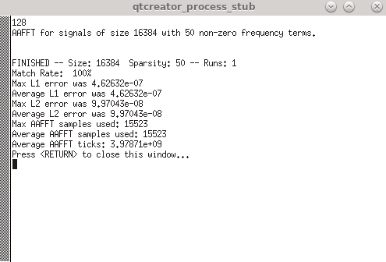
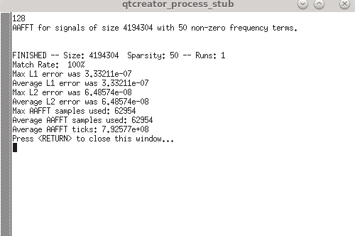

 | …..

Robotness-SNR
Alog | SNR | Expect Number | Use Number | Sparity | ideal time | ideal I1_error | ideal I2_error
Sfft-DT-MP | -20 | 4194304 | 4194304 | 50 | 9.11E-02 | 1.53E+00 | 1.01E+00
Sfft-DT-MP | -10 | 4194304 | 4194304 | 50 | 8.83E-02 | 1.16E+00 | 1.05E+00
Sfft-DT-MP | 0 | 4194304 | 4194304 | 50 | 9.60E-02 | 6.43E-01 | 1.24E+00
Sfft-DT-MP | 10 | 4194304 | 4194304 | 50 | 9.54E-02 | 3.09E-02 | 1.10E+00
Sfft-DT-MP | 20 | 4194304 | 4194304 | 50 | 1.14E-01 | 2.03E-03 | 1.00E+00
Sfft-DT-MP | 30 | 4194304 | 4194304 | 50 | 1.16E-01 | 6.46E-04 | 1.00E+00
Sfft-DT-MP | 40 | 4194304 | 4194304 | 50 | 1.32E-01 | 2.10E-04 | 1.00E+00
Sfft-DT-MP | 50 | 4194304 | 4194304 | 50 | 1.56E-01 | 6.15E-05 | 1.00E+00
Sfft-DT-MP | 60 | 4194304 | 4194304 | 50 | 8.20E-02 | 1.94E-05 | 1.00E+00
Sfft-DT-MP | 70 | 4194304 | 4194304 | 50 | 1.09E-01 | 6.77E-06 | 1.00E+00

Alog | SNR | Expect Number | Use Number | Sparity | ideal time | ideal I1_error | ideal I2_error
Sfft-DT | -20 | 4194304 | 4194304 | 50 | 8.27E-02 | 1.41E+00 | 1.01E+00
Sfft-DT | -10 | 4194304 | 4194304 | 50 | 1.07E-01 | 1.05E+00 | 1.05E+00
Sfft-DT | 0 | 4194304 | 4194304 | 50 | 9.05E-02 | 5.52E-01 | 1.22E+00
Sfft-DT | 10 | 4194304 | 4194304 | 50 | 9.44E-02 | 5.39E-03 | 1.00E+00
Sfft-DT | 20 | 4194304 | 4194304 | 50 | 1.20E-01 | 1.62E-03 | 1.00E+00
Sfft-DT | 30 | 4194304 | 4194304 | 50 | 1.14E-01 | 4.78E-04 | 1.00E+00
Sfft-DT | 40 | 4194304 | 4194304 | 50 | 1.25E-01 | 1.59E-04 | 1.00E+00
Sfft-DT | 50 | 4194304 | 4194304 | 50 | 1.44E-01 | 4.71E-05 | 1.00E+00
Sfft-DT | 60 | 4194304 | 4194304 | 50 | 1.35E-01 | 1.57E-05 | 1.00E+00
Sfft-DT | 70 | 4194304 | 4194304 | 50 | 9.96E-02 | 5.10E-06 | 1.00E+00

Alog | SNR | Expect Number | Use Number | Sparity | ideal time | ideal I1_error | ideal I2_error
sfft2 | -20 | 4194304 | 4194304 | 50 | 1.33E-02 | 3.07E+00 | 1.06E+00
sfft2 | -10 | 4194304 | 4194304 | 50 | 1.43E-02 | 9.52E-01 | 1.08E+00
sfft2 | 0 | 4194304 | 4194304 | 50 | 1.28E-02 | 1.14E-01 | 1.07E+00
sfft2 | 10 | 4194304 | 4194304 | 50 | 1.21E-02 | 2.85E-02 | 1.07E+00
sfft2 | 20 | 4194304 | 4194304 | 50 | 1.35E-02 | 9.68E-03 | 1.09E+00
sfft2 | 30 | 4194304 | 4194304 | 50 | 1.39E-02 | 3.15E-03 | 1.09E+00
sfft2 | 40 | 4194304 | 4194304 | 50 | 1.78E-02 | 1.02E-03 | 1.09E+00
sfft2 | 50 | 4194304 | 4194304 | 50 | 1.71E-02 | 3.17E-04 | 1.09E+00
sfft2 | 60 | 4194304 | 4194304 | 50 | 1.34E-02 | 1.07E-04 | 1.09E+00
sfft2 | 70 | 4194304 | 4194304 | 50 | 1.53E-02 | 3.19E-05 | 1.10E+00

Alog | SNR | Expect Number | Use Number | Sparity | ideal time | ideal I1_error | ideal I2_error
sfft1 | -20 | 4194304 | 4194304 | 50 | 4.02E-02 | 2.97E+00 | 1.16E+00
sfft1 | -10 | 4194304 | 4194304 | 50 | 4.08E-02 | 3.35E-01 | 1.18E+00
sfft1 | 0 | 4194304 | 4194304 | 50 | 3.78E-02 | 6.22E-02 | 1.21E+00
sfft1 | 10 | 4194304 | 4194304 | 50 | 3.83E-02 | 1.98E-02 | 1.24E+00
sfft1 | 20 | 4194304 | 4194304 | 50 | 4.25E-02 | 5.81E-03 | 1.26E+00
sfft1 | 30 | 4194304 | 4194304 | 50 | 4.60E-02 | 2.01E-03 | 1.27E+00
sfft1 | 40 | 4194304 | 4194304 | 50 | 4.61E-02 | 5.60E-04 | 1.27E+00
sfft1 | 50 | 4194304 | 4194304 | 50 | 4.43E-02 | 1.82E-04 | 1.28E+00
sfft1 | 60 | 4194304 | 4194304 | 50 | 3.95E-02 | 6.76E-05 | 1.28E+00
sfft1 | 70 | 4194304 | 4194304 | 50 | 5.69E-02 | 2.10E-05 | 1.31E+00

Alog | SNR | Expect Number | Use Number | Sparity | ideal time | ideal I1_error | ideal I2_error
sfft4 | -20 | 4194304 | 4194304 | 50 | 7.71E-02 | 9.97E-01 | 1.00E+00
sfft4 | -10 | 4194304 | 4194304 | 50 | 7.62E-02 | 9.99E-01 | 1.05E+00
sfft4 | 0 | 4194304 | 4194304 | 50 | 6.96E-02 | 9.99E-01 | 1.41E+00
sfft4 | 10 | 4194304 | 4194304 | 50 | 4.33E-02 | 6.35E-01 | 2.64E+00
sfft4 | 20 | 4194304 | 4194304 | 50 | 4.71E-02 | 2.94E-02 | 1.05E+00
sfft4 | 30 | 4194304 | 4194304 | 50 | 5.16E-02 | 9.25E-03 | 1.06E+00
sfft4 | 40 | 4194304 | 4194304 | 50 | 8.06E-02 | 3.27E-03 | 1.07E+00
sfft4 | 50 | 4194304 | 4194304 | 50 | 5.27E-02 | 8.57E-04 | 1.05E+00
sfft4 | 60 | 4194304 | 4194304 | 50 | 4.62E-02 | 3.12E-04 | 1.06E+00
sfft4 | 70 | 4194304 | 4194304 | 50 | 5.30E-02 | 1.04E-04 | 1.07E+00

Alog | SNR | Expect Number | Use Number | Sparity | ideal time | ideal I1_error | ideal I2_error
fftw | -20 | 4194304 | 4194304 | 50 | 2.50E-01 | 8.20E-17 | 4.60E-16
fftw | -10 | 4194304 | 4194304 | 50 | 2.06E-01 | 9.03E-17 | 4.79E-16
fftw | 0 | 4194304 | 4194304 | 50 | 1.93E-01 | 8.15E-17 | 6.33E-16
fftw | 10 | 4194304 | 4194304 | 50 | 2.02E-01 | 9.61E-17 | 1.46E-15
fftw | 20 | 4194304 | 4194304 | 50 | 1.98E-01 | 9.91E-17 | 4.26E-15
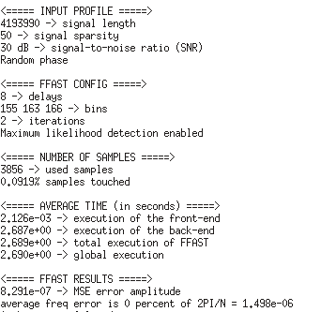
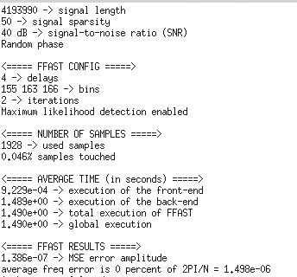
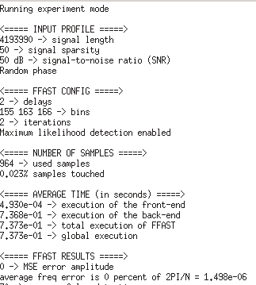
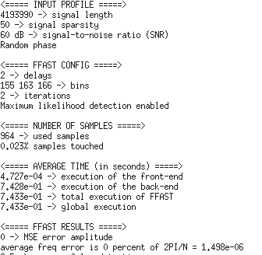
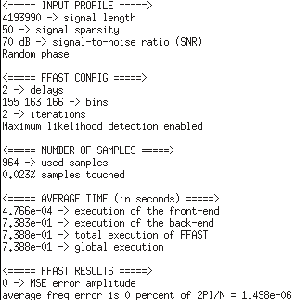
fftw | 30 | 4194304 | 4194304 | 50 | 2.24E-01 | 7.82E-17 | 1.34E-14
fftw | 40 | 4194304 | 4194304 | 50 | 1.98E-01 | 8.49E-17 | 4.15E-14
fftw | 50 | 4194304 | 4194304 | 50 | 1.96E-01 | 7.65E-17 | 9.97E-14
fftw | 60 | 4194304 | 4194304 | 50 | 1.83E-01 | 8.97E-17 | 4.14E-13
fftw | 70 | 4194304 | 4194304 | 50 | 1.89E-01 | 9.82E-17 | 1.31E-12

Alog | SNR | Expect Number | Use Number | Sparity | ideal time | ideal I1_error | ideal I2_error
AAFFT | -20 | 4194304 | 4194304 | 50 | 1.04E-01 | 7.00E+00 | 1.18E+00
AAFFT | -10 | 4194304 | 4194304 | 50 | 1.03E-01 | 2.89E+00 | 1.21E+00
AAFFT | 0 | 4194304 | 4194304 | 50 | 1.05E-01 | 4.59E-01 | 1.14E+00
AAFFT | 10 | 4194304 | 4194304 | 50 | 1.05E-01 | 9.33E-02 | 1.05E+00
AAFFT | 20 | 4194304 | 4194304 | 50 | 1.12E-01 | 3.13E-02 | 1.06E+00
AAFFT | 30 | 4194304 | 4194304 | 50 | 1.21E-01 | 8.61E-03 | 1.05E+00
AAFFT | 40 | 4194304 | 4194304 | 50 | 1.07E-01 | 3.17E-03 | 1.06E+00
AAFFT | 50 | 4194304 | 4194304 | 50 | 1.14E-01 | 9.66E-04 | 1.06E+00
AAFFT | 60 | 4194304 | 4194304 | 50 | 1.05E-01 | 3.11E-04 | 1.06E+00
AAFFT | 70 | 4194304 | 4194304 | 50 | 1.09E-01 | 1.07E-04 | 1.07E+00

Alog | SNR | Expect Number | Use Number | Sparity | ideal time | ideal I1_error | ideal I2_error
MPSFT | -20 | 4194304 | 4194301 | 50 | 1.74E-01 | 1.10E+00 | 1.15
MPSFT | -10 | 4194304 | 4194301 | 50 | 1.84E-01 | 3.00E-02 | 1.09
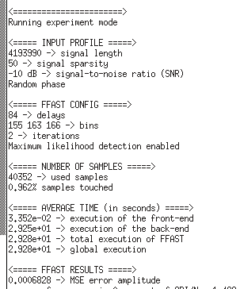
MPSFT | 0 | 4194304 | 4194301 | 50 | 1.82E-01 | 1.00E-02 | 1.08
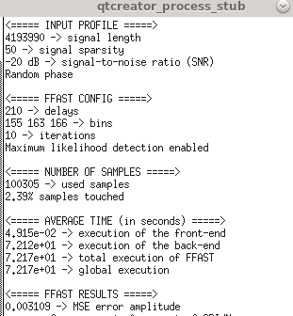
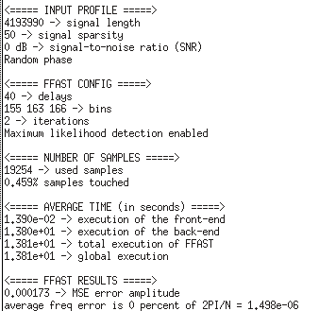
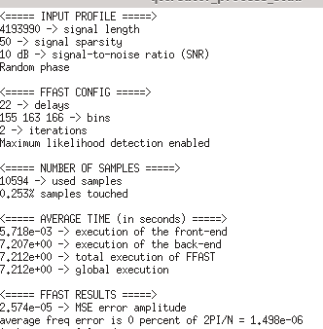
MPSFT | 10 | 4194304 | 4194301 | 50 | 1.79E-01 | 5.00E-03 | 1.09
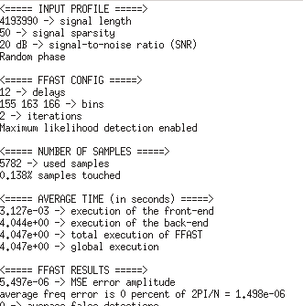
MPSFT | 20 | 4194304 | 4194301 | 50 | 1.89E-01 | 1.00E-03 | 1.06
MPSFT | 30 | 4194304 | 4194301 | 50 | 1.69E-01 | 2.00E-04 | 1.07
MPSFT | 40 | 4194304 | 4194301 | 50 | 1.92E-01 | 5.00E-05 | 1.09
MPSFT | 50 | 4194304 | 4194301 | 50 | 1.81E-01 | 1.00E-05 | 1.06
MPSFT | 60 | 4194304 | 4194301 | 50 | 1.72E-01 | 2.00E-06 | 1.02
MPSFT | 70 | 4194304 | 4194301 | 50 | 1.82E-01 | 8.00E-07 | 1.03

Alog | SNR | Expect Number | Use Number | Sparity | ideal time | ideal I1_error | ideal I2_error
FFAST | -20 | 4194304 | 4193990 | 50 | 7.22E+01 | 3.10E-02 | 1.15
FFAST | -10 | 4194304 | 4193990 | 50 | 2.93E+01 | 6.80E-03 | 1.09
FFAST | 0 | 4194304 | 4193990 | 50 | 1.38E+01 | 1.70E-03 | 1.08
FFAST | 10 | 4194304 | 4193990 | 50 | 7.21E+00 | 2.60E-04 | 1.09
FFAST | 20 | 4194304 | 4193990 | 50 | 4.05E+00 | 5.50E-05 | 1.06
FFAST | 30 | 4194304 | 4193990 | 50 | 2.69E+00 | 8.30E-06 | 1.07
FFAST | 40 | 4194304 | 4193990 | 50 | 1.49E+00 | 1.40E-06 | 1.09
FFAST | 50 | 4194304 | 4193990 | 50 | 7.40E-01 | 3.00E-07 | 1.06
FFAST | 60 | 4194304 | 4193990 | 50 | 7.40E-01 | 6.00E-08 | 1.02
FFAST | 70 | 4194304 | 4193990 | 50 | 7.40E-01 | 2.00E-08 | 1.03

 |  |  |  |  |  |  |  | SNR=10 is equal to SNR=-20 in other place

 |  |  |  |  |  |  |  | SNR=3 is equal to SNR=-10 in other place

 |  |  |  |  |  |  |  | SNR=1 is equal to SNR=0 in other place

